Fig. 9
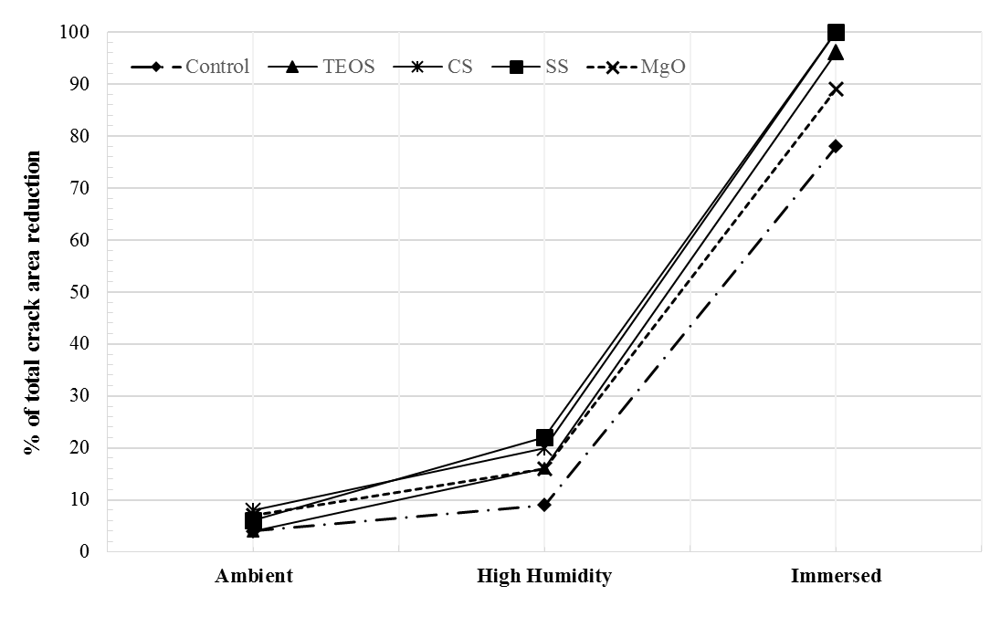
 | Control | TEOS | CS | SS | MgO
Ambient | 4 | 4 | 8 | 6 | 7
High Humidity | 9 | 16 | 20 | 22 | 16
Immersed | 78 | 96 | 100 | 100 | 89
dif |  | 18 | 22 | 22 | 11

Fig. 11
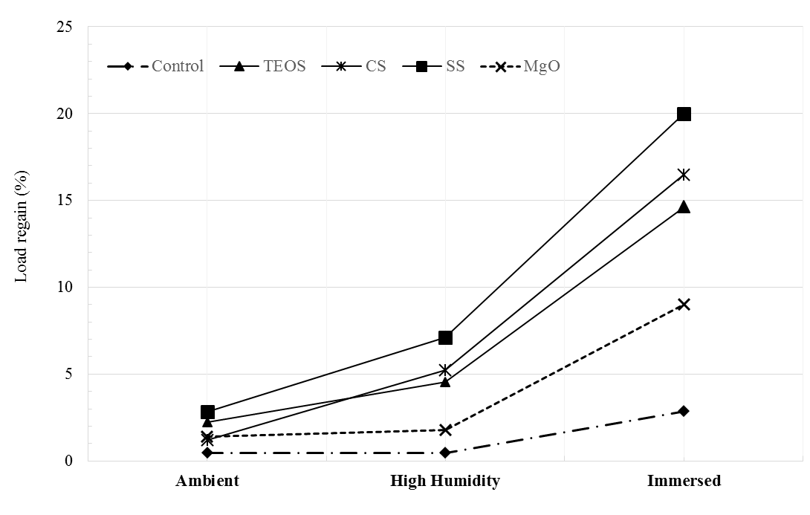
 | Control | TEOS | CS | SS | MgO
Ambient | 0.47 | 2.22 | 1.2 | 2.84 | 1.4
High Humidity | 0.48 | 4.53 | 5.21 | 7.1 | 1.8
Immersed | 2.87 | 14.62 | 16.5 | 20 | 9
dif |  | 11.75 | 13.63 | 17.13 | 6.13

Fig. 12
 | Control | TEOS | CS | SS | MgO
5 | 59 | 73 | 85 | 73 | 15
5.05 | 63 | 51 | 69 | 69 | 9
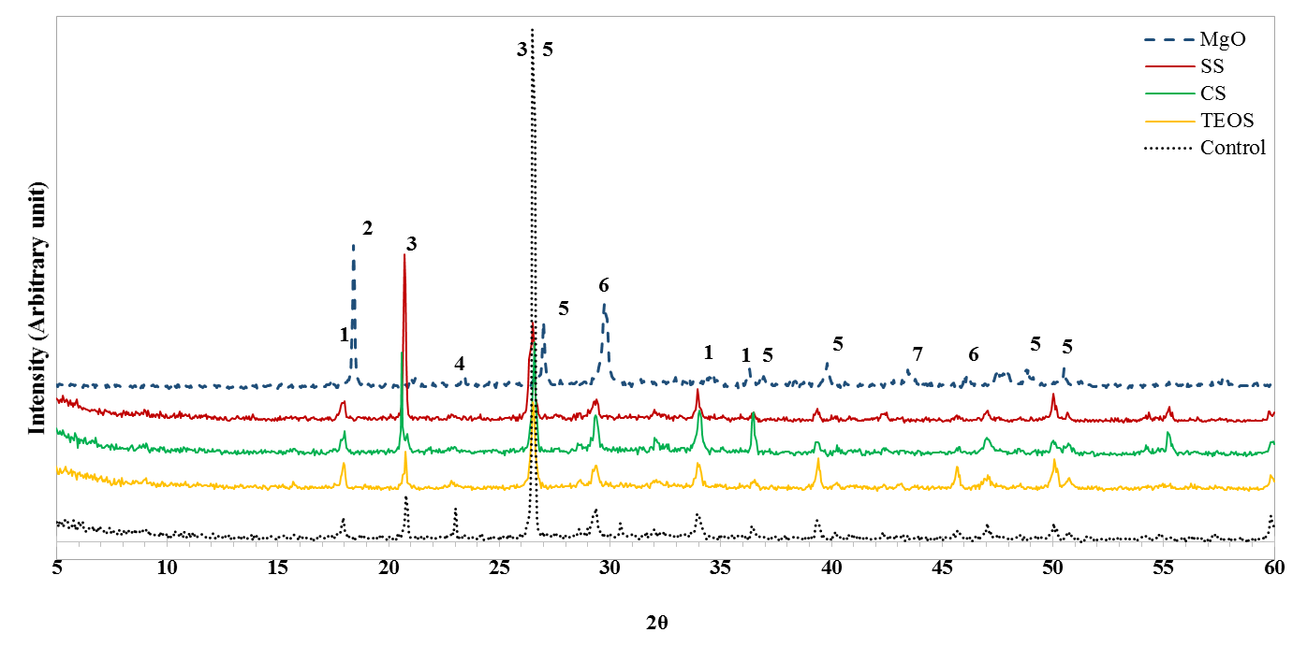
5.1 | 46 | 52 | 69 | 61 | 13
5.15 | 58 | 66 | 78 | 68 | 16
5.2 | 52 | 60 | 68 | 72 | 13
5.25 | 58 | 54 | 66 | 62 | 13
5.3 | 49 | 57 | 80 | 82 | 12
5.35 | 52 | 65 | 64 | 62 | 16
5.4 | 66 | 73 | 63 | 66 | 19
5.45 | 60 | 60 | 58 | 72 | 19
5.5 | 58 | 59 | 57 | 66 | 14
5.55 | 42 | 52 | 68 | 52 | 17
5.6 | 42 | 55 | 44 | 69 | 12
5.65 | 47 | 64 | 62 | 56 | 16
5.7 | 46 | 46 | 57 | 61 | 13
5.75 | 64 | 58 | 55 | 50 | 13
5.8 | 54 | 56 | 51 | 59 | 11
5.85 | 36 | 56 | 72 | 56 | 15
5.9 | 48 | 34 | 59 | 70 | 14
5.95 | 39 | 54 | 28 | 56 | 6
6 | 61 | 51 | 55 | 47 | 6
6.05 | 53 | 55 | 43 | 51 | 7
6.1 | 48 | 45 | 52 | 49 | 12
6.15 | 47 | 47 | 49 | 42 | 12
6.2 | 58 | 39 | 42 | 46 | 7
6.25 | 33 | 42 | 55 | 43 | 13
6.3 | 30 | 50 | 58 | 43 | 12
6.35 | 41 | 36 | 42 | 42 | 10
6.4 | 43 | 53 | 40 | 41 | 12
6.45 | 43 | 40 | 45 | 39 | 7
6.5 | 40 | 39 | 46 | 35 | 18
6.55 | 37 | 48 | 43 | 39 | 21
6.6 | 36 | 45 | 51 | 42 | 13
6.65 | 47 | 34 | 49 | 37 | 13
6.7 | 33 | 52 | 42 | 40 | 15
6.75 | 32 | 34 | 59 | 37 | 6
6.8 | 37 | 39 | 45 | 35 | 13
6.85 | 29 | 30 | 32 | 36 | 8
6.9 | 45 | 38 | 40 | 26 | 6
6.95 | 49 | 36 | 34 | 43 | 10
7 | 39 | 46 | 37 | 30 | 12
7.05 | 35 | 33 | 29 | 32 | 12
7.1 | 31 | 30 | 27 | 25 | 13
7.15 | 34 | 33 | 29 | 33 | 13
7.2 | 26 | 28 | 31 | 40 | 13
7.25 | 26 | 43 | 36 | 35 | 7
7.3 | 31 | 27 | 36 | 36 | 13
7.35 | 40 | 29 | 31 | 32 | 12
7.4 | 43 | 31 | 34 | 36 | 3
7.45 | 29 | 24 | 23 | 31 | 6
7.5 | 37 | 19 | 40 | 26 | 11
7.55 | 31 | 23 | 31 | 32 | 10
7.6 | 30 | 36 | 23 | 26 | 20
7.65 | 27 | 21 | 26 | 33 | 8
7.7 | 28 | 20 | 40 | 27 | 14
7.75 | 24 | 26 | 25 | 22 | 10
7.8 | 23 | 33 | 26 | 28 | 10
7.85 | 36 | 26 | 32 | 26 | 12
7.9 | 29 | 14 | 26 | 31 | 8
7.95 | 21 | 40 | 29 | 20 | 12
8 | 26 | 25 | 29 | 31 | 13
8.05 | 35 | 20 | 24 | 38 | 15
8.1 | 26 | 28 | 25 | 25 | 10
8.15 | 29 | 28 | 24 | 35 | 12
8.2 | 24 | 25 | 29 | 26 | 12
8.25 | 33 | 24 | 21 | 33 | 10
8.3 | 30 | 23 | 24 | 25 | 9
8.35 | 29 | 20 | 34 | 25 | 10
8.4 | 26 | 24 | 36 | 33 | 8
8.45 | 33 | 31 | 28 | 21 | 5
8.5 | 37 | 22 | 20 | 26 | 12
8.55 | 24 | 25 | 20 | 25 | 11
8.6 | 33 | 31 | 23 | 35 | 6
8.65 | 30 | 29 | 28 | 29 | 17
8.7 | 29 | 23 | 28 | 30 | 14
8.75 | 30 | 23 | 37 | 24 | 4
8.8 | 26 | 27 | 31 | 28 | 6
8.85 | 28 | 24 | 29 | 33 | 11
8.9 | 33 | 32 | 38 | 27 | 6
8.95 | 38 | 34 | 32 | 42 | 13
9 | 30 | 35 | 28 | 37 | 4
9.05 | 37 | 41 | 41 | 34 | 6
9.1 | 30 | 22 | 36 | 21 | 6
9.15 | 27 | 24 | 24 | 37 | 5
9.2 | 34 | 26 | 15 | 20 | 11
9.25 | 22 | 26 | 22 | 20 | 12
9.3 | 22 | 17 | 29 | 26 | 11
9.35 | 25 | 19 | 20 | 19 | 15
9.4 | 22 | 27 | 28 | 26 | 11
9.45 | 19 | 19 | 24 | 19 | 8
9.5 | 21 | 13 | 22 | 27 | 9
9.55 | 21 | 24 | 20 | 28 | 11
9.6 | 24 | 15 | 26 | 24 | 5
9.65 | 15 | 20 | 16 | 17 | 9
9.7 | 26 | 15 | 32 | 35 | 12
9.75 | 18 | 28 | 27 | 23 | 7
9.8 | 23 | 27 | 23 | 25 | 10
9.85 | 23 | 15 | 30 | 19 | 11
9.9 | 17 | 23 | 21 | 16 | 11
9.95 | 20 | 17 | 14 | 26 | 8
10 | 26 | 14 | 22 | 15 | 12
10.05 | 15 | 18 | 18 | 15 | 7
10.1 | 23 | 18 | 20 | 16 | 4
10.15 | 16 | 22 | 15 | 22 | 9
10.2 | 17 | 25 | 25 | 20 | 4
10.25 | 22 | 18 | 19 | 24 | 10
10.3 | 20 | 21 | 19 | 31 | 4
10.35 | 33 | 23 | 25 | 15 | 10
10.4 | 24 | 16 | 17 | 19 | 5
10.45 | 23 | 22 | 24 | 25 | 13
10.5 | 21 | 21 | 24 | 20 | 15
10.55 | 21 | 15 | 14 | 35 | 7
10.6 | 14 | 24 | 28 | 17 | 7
10.65 | 26 | 19 | 16 | 31 | 10
10.7 | 16 | 20 | 20 | 21 | 9
10.75 | 32 | 18 | 30 | 22 | 11
10.8 | 27 | 28 | 25 | 26 | 6
10.85 | 22 | 19 | 16 | 25 | 10
10.9 | 12 | 17 | 28 | 21 | 8
10.95 | 21 | 21 | 23 | 22 | 9
11 | 29 | 12 | 25 | 26 | 6
11.05 | 16 | 13 | 23 | 17 | 10
11.1 | 22 | 15 | 23 | 14 | 6
11.15 | 26 | 18 | 21 | 20 | 5
11.2 | 14 | 20 | 21 | 16 | 8
11.25 | 24 | 18 | 26 | 21 | 9
11.3 | 16 | 15 | 13 | 25 | 9
11.35 | 16 | 26 | 13 | 16 | 8
11.4 | 19 | 18 | 20 | 18 | 7
11.45 | 22 | 21 | 29 | 24 | 13
11.5 | 24 | 20 | 22 | 17 | 9
11.55 | 23 | 17 | 24 | 25 | 8
11.6 | 19 | 15 | 21 | 20 | 7
11.65 | 19 | 17 | 25 | 24 | 9
11.7 | 20 | 19 | 15 | 22 | 12
11.75 | 14 | 18 | 14 | 26 | 8
11.8 | 16 | 18 | 15 | 14 | 9
11.85 | 17 | 15 | 22 | 23 | 13
11.9 | 17 | 15 | 16 | 18 | 15
11.95 | 11 | 22 | 17 | 19 | 17
12 | 15 | 17 | 16 | 14 | 15
12.05 | 27 | 15 | 24 | 18 | 12
12.1 | 20 | 20 | 16 | 13 | 14
12.15 | 12 | 8 | 16 | 21 | 12
12.2 | 11 | 23 | 19 | 16 | 10
12.25 | 21 | 12 | 22 | 11 | 7
12.3 | 19 | 13 | 20 | 16 | 10
12.35 | 11 | 15 | 23 | 12 | 12
12.4 | 12 | 17 | 20 | 18 | 7
12.45 | 15 | 13 | 10 | 14 | 5
12.5 | 15 | 17 | 15 | 11 | 7
12.55 | 10 | 7 | 13 | 10 | 8
12.6 | 17 | 10 | 21 | 20 | 15
12.65 | 16 | 13 | 14 | 19 | 7
12.7 | 15 | 17 | 19 | 12 | 6
12.75 | 12 | 10 | 15 | 8 | 8
12.8 | 19 | 11 | 12 | 9 | 4
12.85 | 9 | 13 | 13 | 10 | 7
12.9 | 13 | 10 | 14 | 14 | 7
12.95 | 17 | 13 | 12 | 15 | 9
13 | 12 | 6 | 14 | 13 | 4
13.05 | 13 | 17 | 21 | 14 | 6
13.1 | 13 | 11 | 11 | 16 | 2
13.15 | 9 | 16 | 10 | 22 | 9
13.2 | 13 | 15 | 19 | 23 | 6
13.25 | 18 | 13 | 11 | 17 | 4
13.3 | 10 | 20 | 12 | 14 | 6
13.35 | 13 | 15 | 15 | 14 | 9
13.4 | 21 | 17 | 13 | 16 | 6
13.45 | 14 | 9 | 23 | 18 | 3
13.5 | 10 | 9 | 11 | 12 | 6
13.55 | 6 | 11 | 14 | 22 | 8
13.6 | 10 | 15 | 20 | 13 | 3
13.65 | 12 | 15 | 17 | 14 | 11
13.7 | 13 | 12 | 9 | 22 | 7
13.75 | 17 | 15 | 18 | 12 | 8
13.8 | 21 | 16 | 18 | 12 | 6
13.85 | 7 | 13 | 12 | 26 | 10
13.9 | 20 | 14 | 21 | 19 | 11
13.95 | 10 | 17 | 16 | 17 | 9
14 | 15 | 17 | 16 | 10 | 13
14.05 | 19 | 13 | 11 | 15 | 3
14.1 | 12 | 10 | 15 | 10 | 6
14.15 | 9 | 13 | 16 | 13 | 12
14.2 | 14 | 13 | 17 | 11 | 6
14.25 | 14 | 10 | 23 | 13 | 9
14.3 | 14 | 8 | 11 | 11 | 7
14.35 | 9 | 17 | 14 | 13 | 10
14.4 | 11 | 14 | 23 | 14 | 8
14.45 | 14 | 10 | 13 | 8 | 8
14.5 | 12 | 10 | 18 | 10 | 11
14.55 | 15 | 5 | 16 | 14 | 11
14.6 | 17 | 6 | 17 | 14 | 10
14.65 | 21 | 16 | 15 | 12 | 13
14.7 | 18 | 15 | 19 | 7 | 10
14.75 | 16 | 16 | 16 | 14 | 11
14.8 | 12 | 16 | 17 | 11 | 10
14.85 | 10 | 14 | 18 | 7 | 6
14.9 | 9 | 18 | 13 | 15 | 10
14.95 | 7 | 11 | 12 | 8 | 10
15 | 16 | 9 | 11 | 16 | 4
15.05 | 15 | 19 | 19 | 11 | 13
15.1 | 14 | 12 | 14 | 22 | 11
15.15 | 14 | 12 | 21 | 12 | 18
15.2 | 17 | 20 | 10 | 13 | 6
15.25 | 20 | 12 | 16 | 17 | 7
15.3 | 18 | 14 | 12 | 12 | 8
15.35 | 21 | 9 | 11 | 19 | 10
15.4 | 12 | 12 | 20 | 18 | 11
15.45 | 15 | 9 | 19 | 15 | 6
15.5 | 15 | 8 | 17 | 17 | 9
15.55 | 9 | 14 | 24 | 19 | 8
15.6 | 15 | 11 | 20 | 23 | 13
15.65 | 18 | 14 | 17 | 14 | 7
15.7 | 23 | 28 | 25 | 17 | 13
15.75 | 21 | 18 | 25 | 20 | 7
15.8 | 18 | 17 | 21 | 18 | 6
15.85 | 16 | 16 | 21 | 13 | 6
15.9 | 10 | 9 | 17 | 16 | 12
15.95 | 20 | 13 | 9 | 8 | 11
16 | 13 | 13 | 18 | 16 | 9
16.05 | 10 | 6 | 18 | 17 | 6
16.1 | 14 | 10 | 12 | 15 | 11
16.15 | 10 | 10 | 17 | 17 | 9
16.2 | 12 | 8 | 9 | 18 | 11
16.25 | 15 | 15 | 11 | 21 | 8
16.3 | 13 | 11 | 13 | 12 | 16
16.35 | 11 | 7 | 14 | 9 | 11
16.4 | 8 | 8 | 14 | 14 | 7
16.45 | 12 | 14 | 11 | 11 | 11
16.5 | 8 | 10 | 12 | 15 | 8
16.55 | 16 | 14 | 14 | 15 | 8
16.6 | 8 | 10 | 24 | 18 | 13
16.65 | 5 | 13 | 6 | 14 | 6
16.7 | 11 | 12 | 13 | 14 | 9
16.75 | 13 | 9 | 21 | 13 | 12
16.8 | 13 | 9 | 15 | 12 | 9
16.85 | 11 | 11 | 9 | 12 | 12
16.9 | 20 | 10 | 12 | 14 | 12
16.95 | 12 | 9 | 22 | 9 | 14
17 | 13 | 15 | 13 | 17 | 10
17.05 | 13 | 10 | 11 | 13 | 14
17.1 | 11 | 9 | 12 | 12 | 8
17.15 | 18 | 18 | 10 | 16 | 8
17.2 | 15 | 13 | 15 | 14 | 14
17.25 | 17 | 10 | 15 | 19 | 14
17.3 | 13 | 14 | 15 | 10 | 14
17.35 | 14 | 12 | 21 | 20 | 17
17.4 | 15 | 9 | 20 | 10 | 22
17.45 | 17 | 12 | 16 | 7 | 6
17.5 | 24 | 13 | 25 | 10 | 18
17.55 | 11 | 22 | 22 | 12 | 15
17.6 | 19 | 21 | 25 | 13 | 12
17.65 | 19 | 19 | 18 | 27 | 5
17.7 | 28 | 17 | 20 | 24 | 6
17.75 | 27 | 18 | 22 | 30 | 16
17.8 | 29 | 24 | 35 | 37 | 11
17.85 | 45 | 43 | 53 | 51 | 15
17.9 | 51 | 51 | 50 | 60 | 12
17.95 | 72 | 84 | 59 | 60 | 14
18 | 54 | 76 | 78 | 67 | 13
18.05 | 26 | 43 | 51 | 37 | 19
18.1 | 21 | 21 | 29 | 19 | 21
18.15 | 13 | 13 | 24 | 18 | 27
18.2 | 17 | 10 | 18 | 15 | 28
18.25 | 11 | 10 | 23 | 21 | 39
18.3 | 12 | 10 | 12 | 15 | 36
18.35 | 9 | 12 | 14 | 16 | 228
18.4 | 17 | 6 | 15 | 14 | 424
18.45 | 9 | 9 | 10 | 7 | 329
18.5 | 8 | 14 | 18 | 12 | 124
18.55 | 12 | 12 | 14 | 16 | 54
18.6 | 14 | 11 | 21 | 18 | 37
18.65 | 15 | 11 | 18 | 19 | 22
18.7 | 21 | 11 | 9 | 20 | 18
18.75 | 13 | 11 | 19 | 17 | 14
18.8 | 20 | 8 | 16 | 16 | 16
18.85 | 22 | 10 | 21 | 19 | 11
18.9 | 13 | 17 | 13 | 14 | 14
18.95 | 13 | 20 | 15 | 19 | 21
19 | 11 | 13 | 12 | 16 | 17
19.05 | 10 | 14 | 16 | 11 | 13
19.1 | 11 | 7 | 19 | 18 | 17
19.15 | 12 | 14 | 14 | 17 | 13
19.2 | 9 | 14 | 19 | 10 | 9
19.25 | 9 | 6 | 10 | 11 | 12
19.3 | 13 | 13 | 19 | 17 | 14
19.35 | 12 | 6 | 14 | 15 | 4
19.4 | 18 | 10 | 16 | 14 | 7
19.45 | 13 | 14 | 18 | 10 | 4
19.5 | 11 | 7 | 22 | 10 | 12
19.55 | 10 | 14 | 11 | 14 | 11
19.6 | 17 | 9 | 19 | 17 | 12
19.65 | 8 | 5 | 21 | 19 | 8
19.7 | 15 | 10 | 20 | 12 | 7
19.75 | 17 | 8 | 17 | 21 | 9
19.8 | 14 | 9 | 19 | 19 | 12
19.85 | 13 | 9 | 8 | 15 | 16
19.9 | 9 | 12 | 13 | 11 | 15
19.95 | 7 | 12 | 21 | 14 | 16
20 | 18 | 11 | 24 | 20 | 11
20.05 | 12 | 5 | 15 | 16 | 11
20.1 | 15 | 14 | 21 | 26 | 14
20.15 | 15 | 8 | 21 | 16 | 14
20.2 | 10 | 7 | 13 | 18 | 6
20.25 | 14 | 10 | 14 | 17 | 14
20.3 | 13 | 13 | 17 | 12 | 12
20.35 | 7 | 7 | 21 | 18 | 12
20.4 | 21 | 7 | 30 | 19 | 12
20.45 | 12 | 20 | 26 | 29 | 6
20.5 | 27 | 17 | 55 | 25 | 18
20.55 | 18 | 23 | 77 | 39 | 17
20.6 | 26 | 22 | 308 | 52 | 13
20.65 | 39 | 49 | 90 | 147 | 12
20.7 | 45 | 53 | 52 | 497 | 12
20.75 | 75 | 116 | 49 | 414 | 15
20.8 | 139 | 79 | 60 | 183 | 13
20.85 | 93 | 27 | 70 | 69 | 5
20.9 | 30 | 22 | 47 | 27 | 15
20.95 | 19 | 21 | 24 | 19 | 24
21 | 12 | 16 | 24 | 16 | 38
21.05 | 13 | 10 | 18 | 21 | 31
21.1 | 14 | 14 | 15 | 12 | 20
21.15 | 15 | 17 | 16 | 15 | 25
21.2 | 15 | 11 | 16 | 19 | 32
21.25 | 20 | 8 | 20 | 16 | 25
21.3 | 15 | 8 | 21 | 12 | 26
21.35 | 6 | 12 | 23 | 13 | 13
21.4 | 13 | 5 | 15 | 19 | 15
21.45 | 16 | 10 | 17 | 18 | 9
21.5 | 14 | 7 | 16 | 16 | 16
21.55 | 17 | 7 | 16 | 20 | 14
21.6 | 9 | 9 | 10 | 15 | 9
21.65 | 18 | 13 | 16 | 20 | 8
21.7 | 21 | 13 | 22 | 12 | 18
21.75 | 14 | 10 | 20 | 23 | 15
21.8 | 11 | 14 | 29 | 20 | 12
21.85 | 16 | 9 | 22 | 11 | 7
21.9 | 13 | 10 | 31 | 14 | 8
21.95 | 16 | 10 | 12 | 8 | 11
22 | 11 | 10 | 20 | 16 | 19
22.05 | 11 | 8 | 21 | 14 | 12
22.1 | 8 | 6 | 17 | 16 | 13
22.15 | 12 | 11 | 23 | 20 | 8
22.2 | 13 | 10 | 17 | 19 | 17
22.25 | 14 | 7 | 15 | 18 | 18
22.3 | 18 | 9 | 25 | 12 | 16
22.35 | 15 | 9 | 15 | 14 | 12
22.4 | 13 | 11 | 13 | 12 | 19
22.45 | 12 | 10 | 19 | 12 | 19
22.5 | 13 | 16 | 15 | 13 | 13
22.55 | 14 | 17 | 19 | 14 | 15
22.6 | 24 | 13 | 20 | 10 | 8
22.65 | 16 | 11 | 25 | 20 | 14
22.7 | 15 | 19 | 27 | 24 | 14
22.75 | 17 | 14 | 19 | 17 | 11
22.8 | 19 | 23 | 22 | 20 | 13
22.85 | 31 | 31 | 30 | 28 | 17
22.9 | 27 | 21 | 26 | 25 | 13
22.95 | 23 | 27 | 32 | 20 | 12
23 | 100 | 14 | 31 | 22 | 14
23.05 | 70 | 16 | 28 | 22 | 10
23.1 | 12 | 21 | 19 | 16 | 12
23.15 | 6 | 14 | 19 | 15 | 16
23.2 | 15 | 14 | 15 | 16 | 15
23.25 | 10 | 16 | 20 | 14 | 18
23.3 | 14 | 12 | 22 | 12 | 32
23.35 | 8 | 11 | 16 | 14 | 32
23.4 | 15 | 9 | 21 | 21 | 35
23.45 | 21 | 14 | 20 | 20 | 41
23.5 | 21 | 12 | 16 | 13 | 18
23.55 | 12 | 11 | 17 | 11 | 14
23.6 | 11 | 14 | 18 | 12 | 17
23.65 | 11 | 13 | 19 | 15 | 18
23.7 | 11 | 14 | 14 | 21 | 16
23.75 | 10 | 4 | 12 | 8 | 18
23.8 | 15 | 13 | 15 | 12 | 15
23.85 | 10 | 6 | 12 | 13 | 21
23.9 | 13 | 6 | 18 | 17 | 10
23.95 | 11 | 6 | 15 | 13 | 18
24 | 9 | 12 | 17 | 16 | 8
24.05 | 12 | 9 | 18 | 20 | 13
24.1 | 20 | 9 | 17 | 15 | 10
24.15 | 13 | 7 | 20 | 26 | 16
24.2 | 19 | 6 | 18 | 13 | 10
24.25 | 20 | 6 | 19 | 12 | 16
24.3 | 7 | 14 | 12 | 16 | 8
24.35 | 8 | 10 | 21 | 12 | 11
24.4 | 10 | 8 | 20 | 12 | 14
24.45 | 11 | 11 | 18 | 15 | 18
24.5 | 12 | 16 | 20 | 15 | 15
24.55 | 7 | 12 | 20 | 12 | 21
24.6 | 16 | 16 | 19 | 9 | 14
24.65 | 7 | 8 | 14 | 14 | 13
24.7 | 10 | 9 | 23 | 13 | 13
24.75 | 15 | 15 | 23 | 10 | 21
24.8 | 16 | 10 | 20 | 10 | 11
24.85 | 11 | 15 | 23 | 12 | 6
24.9 | 13 | 11 | 20 | 11 | 19
24.95 | 13 | 6 | 17 | 13 | 20
25 | 5 | 11 | 15 | 12 | 11
25.05 | 11 | 12 | 16 | 19 | 12
25.1 | 19 | 9 | 12 | 11 | 18
25.15 | 20 | 17 | 11 | 14 | 20
25.2 | 12 | 8 | 20 | 14 | 17
25.25 | 13 | 5 | 7 | 16 | 14
25.3 | 14 | 10 | 19 | 15 | 10
25.35 | 11 | 10 | 21 | 17 | 18
25.4 | 23 | 9 | 16 | 15 | 17
25.45 | 8 | 6 | 14 | 19 | 21
25.5 | 21 | 14 | 24 | 17 | 9
25.55 | 13 | 14 | 18 | 10 | 14
25.6 | 12 | 15 | 26 | 25 | 13
25.65 | 17 | 17 | 25 | 17 | 13
25.7 | 15 | 10 | 13 | 18 | 13
25.75 | 13 | 9 | 18 | 9 | 16
25.8 | 13 | 21 | 19 | 20 | 18
25.85 | 18 | 12 | 18 | 7 | 13
25.9 | 15 | 13 | 19 | 26 | 19
25.95 | 21 | 14 | 26 | 17 | 15
26 | 12 | 16 | 25 | 14 | 11
26.05 | 20 | 17 | 30 | 22 | 14
26.1 | 20 | 18 | 16 | 31 | 16
26.15 | 17 | 29 | 28 | 34 | 13
26.2 | 36 | 32 | 28 | 41 | 13
26.25 | 49 | 33 | 30 | 70 | 12
26.3 | 67 | 39 | 42 | 111 | 12
26.35 | 88 | 70 | 60 | 189 | 13
26.4 | 151 | 96 | 88 | 206 | 12
26.45 | 260 | 174 | 126 | 239 | 14
26.5 | 1511 | 264 | 201 | 296 | 23
26.55 | 1392 | 247 | 263 | 252 | 29
26.6 | 1232 | 199 | 338 | 201 | 16
26.65 | 207 | 108 | 176 | 75 | 19
26.7 | 69 | 64 | 90 | 51 | 24
26.75 | 39 | 39 | 46 | 27 | 26
26.8 | 31 | 38 | 21 | 24 | 39
26.85 | 20 | 23 | 17 | 17 | 43
26.9 | 29 | 10 | 30 | 17 | 72
26.95 | 27 | 25 | 22 | 13 | 140
27 | 15 | 12 | 17 | 22 | 202
27.05 | 25 | 12 | 22 | 27 | 137
27.1 | 20 | 17 | 21 | 23 | 76
27.15 | 23 | 10 | 16 | 13 | 25
27.2 | 27 | 8 | 21 | 18 | 25
27.25 | 22 | 14 | 18 | 17 | 28
27.3 | 20 | 19 | 18 | 15 | 21
27.35 | 18 | 10 | 28 | 20 | 17
27.4 | 26 | 13 | 16 | 17 | 15
27.45 | 27 | 11 | 16 | 18 | 14
27.5 | 16 | 11 | 26 | 24 | 15
27.55 | 20 | 17 | 24 | 28 | 19
27.6 | 22 | 16 | 24 | 22 | 12
27.65 | 18 | 11 | 26 | 25 | 21
27.7 | 21 | 12 | 28 | 20 | 16
27.75 | 18 | 13 | 17 | 25 | 27
27.8 | 18 | 21 | 20 | 21 | 19
27.85 | 20 | 13 | 16 | 13 | 16
27.9 | 11 | 11 | 19 | 19 | 15
27.95 | 23 | 15 | 16 | 17 | 17
28 | 16 | 16 | 17 | 10 | 18
28.05 | 18 | 15 | 16 | 11 | 12
28.1 | 16 | 15 | 12 | 16 | 10
28.15 | 15 | 14 | 14 | 13 | 20
28.2 | 15 | 23 | 18 | 16 | 16
28.25 | 14 | 9 | 23 | 8 | 20
28.3 | 21 | 16 | 25 | 14 | 16
28.35 | 20 | 17 | 19 | 26 | 18
28.4 | 14 | 15 | 19 | 20 | 16
28.45 | 21 | 13 | 20 | 12 | 20
28.5 | 24 | 21 | 27 | 29 | 26
28.55 | 29 | 26 | 41 | 19 | 7
28.6 | 39 | 28 | 37 | 30 | 15
28.65 | 30 | 33 | 37 | 29 | 14
28.7 | 23 | 25 | 39 | 15 | 18
28.75 | 19 | 23 | 26 | 13 | 18
28.8 | 19 | 23 | 30 | 21 | 22
28.85 | 27 | 17 | 29 | 21 | 23
28.9 | 29 | 19 | 32 | 24 | 22
28.95 | 19 | 22 | 19 | 21 | 16
29 | 41 | 19 | 35 | 40 | 27
29.05 | 25 | 28 | 36 | 35 | 14
29.1 | 47 | 22 | 33 | 29 | 18
29.15 | 54 | 22 | 57 | 38 | 17
29.2 | 61 | 64 | 50 | 49 | 33
29.25 | 80 | 59 | 70 | 62 | 30
29.3 | 87 | 64 | 117 | 66 | 35
29.35 | 99 | 77 | 125 | 56 | 37
29.4 | 79 | 75 | 118 | 70 | 34
29.45 | 51 | 49 | 84 | 55 | 51
29.5 | 34 | 38 | 58 | 27 | 66
29.55 | 30 | 25 | 31 | 24 | 76
29.6 | 30 | 28 | 36 | 19 | 113
29.65 | 20 | 19 | 40 | 15 | 151
29.7 | 29 | 16 | 27 | 22 | 222
29.75 | 17 | 21 | 23 | 22 | 253
29.8 | 16 | 30 | 28 | 21 | 225
29.85 | 19 | 20 | 27 | 25 | 207
29.9 | 18 | 22 | 20 | 14 | 148
29.95 | 15 | 14 | 25 | 21 | 80
30 | 22 | 27 | 23 | 22 | 56
30.05 | 20 | 16 | 17 | 19 | 50
30.1 | 19 | 15 | 23 | 18 | 38
30.15 | 19 | 14 | 30 | 16 | 30
30.2 | 14 | 9 | 22 | 10 | 30
30.25 | 16 | 14 | 20 | 14 | 28
30.3 | 14 | 17 | 27 | 20 | 24
30.35 | 14 | 14 | 15 | 16 | 25
30.4 | 28 | 16 | 23 | 27 | 20
30.45 | 56 | 21 | 30 | 20 | 21
30.5 | 43 | 27 | 16 | 15 | 24
30.55 | 39 | 18 | 25 | 15 | 23
30.6 | 23 | 13 | 21 | 17 | 15
30.65 | 20 | 14 | 18 | 19 | 22
30.7 | 19 | 22 | 27 | 21 | 11
30.75 | 18 | 22 | 26 | 22 | 25
30.8 | 17 | 11 | 21 | 17 | 27
30.85 | 21 | 17 | 21 | 19 | 18
30.9 | 22 | 24 | 21 | 27 | 19
30.95 | 23 | 14 | 29 | 17 | 9
31 | 21 | 19 | 22 | 19 | 18
31.05 | 21 | 18 | 20 | 19 | 18
31.1 | 14 | 17 | 22 | 18 | 18
31.15 | 17 | 11 | 27 | 20 | 19
31.2 | 19 | 10 | 22 | 12 | 19
31.25 | 12 | 16 | 10 | 13 | 18
31.3 | 10 | 13 | 19 | 25 | 20
31.35 | 18 | 16 | 30 | 19 | 20
31.4 | 19 | 10 | 29 | 20 | 31
31.45 | 18 | 19 | 22 | 18 | 19
31.5 | 16 | 16 | 31 | 18 | 26
31.55 | 15 | 14 | 26 | 15 | 16
31.6 | 26 | 17 | 20 | 19 | 20
31.65 | 30 | 23 | 13 | 22 | 22
31.7 | 12 | 14 | 18 | 19 | 20
31.75 | 17 | 11 | 17 | 14 | 23
31.8 | 26 | 10 | 27 | 16 | 26
31.85 | 22 | 23 | 30 | 24 | 25
31.9 | 25 | 23 | 31 | 21 | 23
31.95 | 34 | 31 | 22 | 34 | 17
32 | 36 | 25 | 57 | 42 | 21
32.05 | 24 | 31 | 49 | 31 | 18
32.1 | 32 | 33 | 52 | 33 | 9
32.15 | 18 | 27 | 45 | 24 | 12
32.2 | 25 | 28 | 41 | 29 | 11
32.25 | 27 | 30 | 23 | 25 | 18
32.3 | 24 | 23 | 34 | 18 | 13
32.35 | 22 | 22 | 24 | 27 | 19
32.4 | 28 | 20 | 38 | 21 | 26
32.45 | 17 | 17 | 25 | 27 | 21
32.5 | 23 | 18 | 33 | 25 | 23
32.55 | 20 | 30 | 40 | 14 | 18
32.6 | 20 | 26 | 24 | 19 | 22
32.65 | 23 | 13 | 38 | 24 | 14
32.7 | 20 | 17 | 19 | 13 | 18
32.75 | 20 | 14 | 16 | 17 | 20
32.8 | 22 | 19 | 21 | 19 | 25
32.85 | 24 | 17 | 23 | 9 | 20
32.9 | 14 | 22 | 17 | 22 | 29
32.95 | 18 | 18 | 27 | 22 | 35
33 | 17 | 16 | 18 | 17 | 22
33.05 | 19 | 20 | 25 | 16 | 22
33.1 | 13 | 18 | 26 | 20 | 19
33.15 | 21 | 16 | 19 | 25 | 19
33.2 | 19 | 18 | 27 | 21 | 25
33.25 | 22 | 18 | 27 | 22 | 15
33.3 | 24 | 9 | 29 | 15 | 24
33.35 | 20 | 16 | 27 | 17 | 21
33.4 | 23 | 12 | 21 | 14 | 21
33.45 | 14 | 22 | 13 | 12 | 20
33.5 | 16 | 15 | 29 | 17 | 17
33.55 | 17 | 19 | 23 | 16 | 27
33.6 | 28 | 13 | 21 | 16 | 35
33.65 | 26 | 15 | 36 | 20 | 15
33.7 | 31 | 17 | 27 | 17 | 17
33.75 | 28 | 21 | 40 | 25 | 25
33.8 | 29 | 36 | 43 | 34 | 15
33.85 | 44 | 41 | 60 | 42 | 13
33.9 | 59 | 60 | 70 | 63 | 15
33.95 | 84 | 84 | 89 | 102 | 18
34 | 77 | 73 | 126 | 80 | 18
34.05 | 67 | 78 | 137 | 49 | 19
34.1 | 55 | 53 | 116 | 42 | 19
34.15 | 43 | 34 | 67 | 29 | 25
34.2 | 39 | 19 | 46 | 22 | 16
34.25 | 27 | 29 | 43 | 18 | 30
34.3 | 21 | 29 | 34 | 16 | 18
34.35 | 10 | 15 | 27 | 19 | 23
34.4 | 13 | 15 | 22 | 13 | 33
34.45 | 19 | 13 | 17 | 21 | 29
34.5 | 17 | 13 | 10 | 12 | 37
34.55 | 14 | 11 | 20 | 22 | 32
34.6 | 17 | 16 | 27 | 20 | 19
34.65 | 15 | 16 | 22 | 16 | 26
34.7 | 12 | 11 | 20 | 26 | 35
34.75 | 13 | 20 | 17 | 14 | 22
34.8 | 15 | 12 | 21 | 13 | 28
34.85 | 9 | 21 | 17 | 14 | 26
34.9 | 19 | 15 | 21 | 16 | 16
34.95 | 16 | 20 | 16 | 16 | 17
35 | 22 | 16 | 27 | 19 | 17
35.05 | 13 | 18 | 25 | 15 | 12
35.1 | 15 | 11 | 30 | 25 | 16
35.15 | 18 | 11 | 22 | 19 | 9
35.2 | 12 | 21 | 21 | 15 | 18
35.25 | 10 | 8 | 18 | 14 | 11
35.3 | 9 | 8 | 14 | 10 | 8
35.35 | 16 | 10 | 18 | 17 | 13
35.4 | 13 | 11 | 19 | 11 | 13
35.45 | 13 | 10 | 15 | 5 | 11
35.5 | 17 | 10 | 18 | 16 | 12
35.55 | 23 | 9 | 23 | 13 | 17
35.6 | 14 | 11 | 21 | 12 | 15
35.65 | 9 | 12 | 13 | 15 | 12
35.7 | 13 | 8 | 23 | 13 | 12
35.75 | 14 | 11 | 18 | 17 | 20
35.8 | 19 | 10 | 13 | 15 | 4
35.85 | 23 | 22 | 19 | 13 | 12
35.9 | 21 | 12 | 28 | 26 | 14
35.95 | 18 | 16 | 18 | 17 | 14
36 | 21 | 19 | 20 | 18 | 22
36.05 | 23 | 10 | 16 | 14 | 12
36.1 | 20 | 14 | 22 | 13 | 14
36.15 | 7 | 14 | 17 | 14 | 26
36.2 | 9 | 19 | 19 | 17 | 32
36.25 | 20 | 15 | 15 | 12 | 46
36.3 | 16 | 10 | 29 | 21 | 60
36.35 | 15 | 25 | 39 | 16 | 39
36.4 | 44 | 23 | 102 | 29 | 45
36.45 | 49 | 29 | 129 | 25 | 34
36.5 | 29 | 26 | 133 | 33 | 31
36.55 | 26 | 35 | 66 | 24 | 25
36.6 | 22 | 18 | 46 | 13 | 13
36.65 | 18 | 22 | 25 | 15 | 18
36.7 | 19 | 16 | 8 | 5 | 20
36.75 | 14 | 16 | 16 | 13 | 27
36.8 | 14 | 3 | 18 | 5 | 30
36.85 | 11 | 10 | 20 | 9 | 44
36.9 | 11 | 12 | 10 | 10 | 31
36.95 | 14 | 11 | 14 | 12 | 40
37 | 16 | 6 | 20 | 14 | 26
37.05 | 14 | 11 | 18 | 9 | 16
37.1 | 16 | 9 | 17 | 13 | 19
37.15 | 8 | 7 | 17 | 13 | 22
37.2 | 15 | 11 | 24 | 11 | 15
37.25 | 10 | 14 | 12 | 15 | 11
37.3 | 14 | 18 | 16 | 12 | 16
37.35 | 13 | 14 | 14 | 11 | 11
37.4 | 12 | 6 | 9 | 13 | 10
37.45 | 12 | 13 | 9 | 8 | 12
37.5 | 17 | 5 | 16 | 7 | 17
37.55 | 12 | 6 | 9 | 7 | 13
37.6 | 7 | 16 | 9 | 16 | 13
37.65 | 11 | 13 | 12 | 13 | 9
37.7 | 7 | 10 | 13 | 11 | 12
37.75 | 8 | 13 | 15 | 12 | 14
37.8 | 17 | 9 | 17 | 14 | 12
37.85 | 20 | 12 | 13 | 19 | 11
37.9 | 15 | 10 | 18 | 9 | 14
37.95 | 7 | 12 | 16 | 18 | 16
38 | 18 | 4 | 17 | 11 | 10
38.05 | 8 | 17 | 17 | 8 | 11
38.1 | 9 | 7 | 16 | 8 | 21
38.15 | 10 | 12 | 11 | 10 | 9
38.2 | 11 | 6 | 14 | 9 | 19
38.25 | 15 | 13 | 11 | 6 | 12
38.3 | 15 | 11 | 6 | 13 | 21
38.35 | 11 | 10 | 6 | 10 | 26
38.4 | 9 | 10 | 14 | 9 | 21
38.45 | 11 | 13 | 14 | 10 | 15
38.5 | 15 | 7 | 16 | 13 | 23
38.55 | 16 | 10 | 15 | 14 | 7
38.6 | 13 | 10 | 13 | 6 | 15
38.65 | 11 | 10 | 8 | 7 | 18
38.7 | 6 | 5 | 10 | 14 | 17
38.75 | 10 | 5 | 13 | 11 | 22
38.8 | 7 | 6 | 17 | 8 | 13
38.85 | 18 | 12 | 13 | 10 | 14
38.9 | 12 | 12 | 10 | 11 | 15
38.95 | 11 | 14 | 15 | 9 | 6
39 | 6 | 21 | 16 | 12 | 19
39.05 | 13 | 8 | 14 | 12 | 13
39.1 | 11 | 20 | 19 | 7 | 9
39.15 | 20 | 15 | 22 | 9 | 19
39.2 | 15 | 26 | 15 | 27 | 15
39.25 | 36 | 28 | 27 | 25 | 14
39.3 | 58 | 41 | 44 | 29 | 20
39.35 | 65 | 72 | 44 | 43 | 14
39.4 | 62 | 99 | 45 | 27 | 9
39.45 | 44 | 64 | 39 | 34 | 14
39.5 | 35 | 60 | 26 | 19 | 19
39.55 | 21 | 28 | 19 | 15 | 22
39.6 | 8 | 16 | 19 | 6 | 26
39.65 | 17 | 10 | 17 | 13 | 40
39.7 | 10 | 12 | 22 | 7 | 54
39.75 | 10 | 12 | 12 | 9 | 60
39.8 | 8 | 12 | 9 | 13 | 77
39.85 | 12 | 8 | 4 | 9 | 47
39.9 | 8 | 12 | 12 | 11 | 45
39.95 | 13 | 15 | 20 | 11 | 34
40 | 4 | 7 | 10 | 24 | 18
40.05 | 18 | 14 | 7 | 13 | 23
40.1 | 18 | 19 | 21 | 13 | 29
40.15 | 26 | 20 | 16 | 21 | 24
40.2 | 32 | 23 | 21 | 13 | 15
40.25 | 21 | 25 | 35 | 21 | 17
40.3 | 19 | 18 | 18 | 13 | 8
40.35 | 13 | 21 | 27 | 4 | 14
40.4 | 14 | 10 | 12 | 15 | 7
40.45 | 13 | 8 | 22 | 12 | 20
40.5 | 7 | 12 | 13 | 9 | 6
40.55 | 11 | 6 | 11 | 11 | 12
40.6 | 14 | 7 | 15 | 7 | 22
40.65 | 14 | 11 | 10 | 9 | 17
40.7 | 10 | 16 | 16 | 14 | 17
40.75 | 23 | 14 | 19 | 13 | 14
40.8 | 20 | 13 | 19 | 21 | 14
40.85 | 12 | 17 | 20 | 18 | 10
40.9 | 16 | 15 | 22 | 12 | 9
40.95 | 20 | 14 | 14 | 17 | 10
41 | 13 | 17 | 20 | 13 | 12
41.05 | 21 | 9 | 22 | 16 | 14
41.1 | 13 | 18 | 18 | 10 | 15
41.15 | 14 | 18 | 20 | 13 | 15
41.2 | 21 | 12 | 18 | 9 | 9
41.25 | 14 | 12 | 26 | 7 | 12
41.3 | 12 | 15 | 21 | 8 | 16
41.35 | 8 | 11 | 11 | 9 | 11
41.4 | 16 | 7 | 7 | 10 | 13
41.45 | 7 | 15 | 8 | 9 | 13
41.5 | 13 | 15 | 7 | 13 | 19
41.55 | 12 | 9 | 20 | 12 | 19
41.6 | 13 | 14 | 15 | 14 | 11
41.65 | 14 | 8 | 16 | 11 | 15
41.7 | 12 | 12 | 16 | 13 | 9
41.75 | 12 | 9 | 8 | 11 | 14
41.8 | 7 | 6 | 14 | 15 | 12
41.85 | 9 | 9 | 11 | 10 | 17
41.9 | 9 | 7 | 15 | 17 | 15
41.95 | 9 | 15 | 23 | 13 | 12
42 | 11 | 11 | 14 | 16 | 10
42.05 | 16 | 2 | 15 | 20 | 5
42.1 | 14 | 11 | 17 | 8 | 11
42.15 | 13 | 10 | 15 | 15 | 12
42.2 | 12 | 13 | 13 | 16 | 19
42.25 | 19 | 13 | 10 | 27 | 15
42.3 | 25 | 13 | 23 | 27 | 11
42.35 | 14 | 21 | 27 | 27 | 5
42.4 | 20 | 17 | 21 | 31 | 12
42.45 | 11 | 15 | 28 | 24 | 19
42.5 | 11 | 8 | 23 | 32 | 17
42.55 | 12 | 7 | 22 | 19 | 14
42.6 | 7 | 11 | 16 | 10 | 12
42.65 | 15 | 13 | 16 | 7 | 21
42.7 | 13 | 10 | 15 | 14 | 21
42.75 | 13 | 12 | 14 | 9 | 17
42.8 | 10 | 6 | 12 | 13 | 27
42.85 | 14 | 9 | 18 | 10 | 15
42.9 | 10 | 11 | 17 | 11 | 11
42.95 | 17 | 18 | 21 | 15 | 12
43 | 14 | 21 | 14 | 16 | 9
43.05 | 18 | 17 | 10 | 14 | 9
43.1 | 18 | 20 | 19 | 13 | 8
43.15 | 15 | 23 | 20 | 16 | 13
43.2 | 15 | 15 | 20 | 18 | 27
43.25 | 22 | 12 | 20 | 9 | 20
43.3 | 5 | 10 | 20 | 3 | 25
43.35 | 13 | 5 | 12 | 10 | 26
43.4 | 11 | 6 | 18 | 7 | 33
43.45 | 19 | 8 | 17 | 14 | 58
43.5 | 10 | 4 | 14 | 9 | 45
43.55 | 10 | 6 | 14 | 5 | 47
43.6 | 13 | 9 | 11 | 13 | 42
43.65 | 10 | 11 | 16 | 9 | 39
43.7 | 8 | 12 | 11 | 12 | 28
43.75 | 11 | 17 | 6 | 8 | 22
43.8 | 13 | 12 | 14 | 6 | 30
43.85 | 8 | 12 | 11 | 14 | 16
43.9 | 14 | 19 | 19 | 10 | 18
43.95 | 19 | 6 | 19 | 10 | 12
44 | 4 | 12 | 16 | 7 | 20
44.05 | 11 | 13 | 7 | 9 | 8
44.1 | 12 | 15 | 15 | 14 | 14
44.15 | 8 | 10 | 12 | 6 | 16
44.2 | 9 | 8 | 9 | 10 | 14
44.25 | 9 | 8 | 15 | 19 | 17
44.3 | 18 | 11 | 11 | 12 | 17
44.35 | 6 | 15 | 17 | 11 | 11
44.4 | 11 | 5 | 12 | 16 | 32
44.45 | 7 | 8 | 15 | 4 | 12
44.5 | 11 | 9 | 8 | 12 | 19
44.55 | 12 | 15 | 15 | 12 | 11
44.6 | 15 | 12 | 15 | 13 | 11
44.65 | 6 | 7 | 15 | 10 | 15
44.7 | 15 | 9 | 14 | 11 | 21
44.75 | 13 | 9 | 14 | 8 | 20
44.8 | 8 | 12 | 15 | 10 | 19
44.85 | 16 | 15 | 14 | 15 | 9
44.9 | 18 | 10 | 17 | 10 | 16
44.95 | 6 | 7 | 18 | 11 | 12
45 | 3 | 13 | 13 | 9 | 14
45.05 | 9 | 13 | 14 | 6 | 15
45.1 | 6 | 10 | 14 | 7 | 11
45.15 | 16 | 11 | 10 | 9 | 8
45.2 | 13 | 6 | 11 | 10 | 7
45.25 | 8 | 12 | 10 | 7 | 12
45.3 | 8 | 13 | 18 | 11 | 12
45.35 | 13 | 10 | 18 | 6 | 13
45.4 | 13 | 14 | 12 | 13 | 11
45.45 | 20 | 22 | 13 | 13 | 13
45.5 | 24 | 20 | 13 | 17 | 20
45.55 | 11 | 28 | 15 | 11 | 9
45.6 | 18 | 38 | 18 | 20 | 19
45.65 | 22 | 73 | 29 | 25 | 15
45.7 | 34 | 69 | 21 | 13 | 10
45.75 | 34 | 43 | 30 | 23 | 17
45.8 | 24 | 48 | 30 | 20 | 8
45.85 | 23 | 19 | 17 | 13 | 5
45.9 | 17 | 18 | 13 | 17 | 12
45.95 | 15 | 13 | 18 | 9 | 17
46 | 10 | 10 | 18 | 7 | 45
46.05 | 13 | 8 | 16 | 8 | 23
46.1 | 8 | 10 | 13 | 13 | 45
46.15 | 17 | 7 | 11 | 12 | 38
46.2 | 12 | 12 | 13 | 7 | 31
46.25 | 12 | 10 | 13 | 11 | 30
46.3 | 14 | 5 | 9 | 10 | 18
46.35 | 4 | 11 | 14 | 9 | 16
46.4 | 5 | 15 | 14 | 10 | 18
46.45 | 11 | 17 | 21 | 10 | 12
46.5 | 14 | 7 | 12 | 10 | 19
46.55 | 18 | 17 | 11 | 11 | 10
46.6 | 10 | 16 | 14 | 15 | 14
46.65 | 19 | 20 | 18 | 16 | 15
46.7 | 13 | 8 | 21 | 15 | 11
46.75 | 16 | 29 | 24 | 9 | 10
46.8 | 18 | 20 | 29 | 14 | 14
46.85 | 24 | 24 | 24 | 16 | 11
46.9 | 31 | 37 | 37 | 26 | 18
46.95 | 28 | 36 | 50 | 27 | 16
47 | 38 | 31 | 58 | 36 | 14
47.05 | 55 | 47 | 53 | 39 | 12
47.1 | 39 | 36 | 52 | 25 | 13
47.15 | 20 | 43 | 47 | 24 | 22
47.2 | 28 | 19 | 43 | 16 | 14
47.25 | 18 | 30 | 33 | 14 | 23
47.3 | 15 | 18 | 30 | 11 | 24
47.35 | 16 | 18 | 24 | 20 | 25
47.4 | 11 | 12 | 21 | 7 | 43
47.45 | 18 | 23 | 23 | 17 | 46
47.5 | 17 | 14 | 20 | 16 | 45
47.55 | 22 | 14 | 21 | 18 | 59
47.6 | 16 | 15 | 25 | 12 | 39
47.65 | 18 | 18 | 19 | 17 | 41
47.7 | 13 | 14 | 20 | 12 | 41
47.75 | 15 | 10 | 18 | 12 | 48
47.8 | 15 | 16 | 17 | 12 | 43
47.85 | 12 | 12 | 17 | 8 | 60
47.9 | 10 | 7 | 18 | 9 | 62
47.95 | 9 | 9 | 9 | 10 | 48
48 | 16 | 7 | 16 | 6 | 45
48.05 | 16 | 10 | 12 | 5 | 34
48.1 | 13 | 12 | 12 | 12 | 24
48.15 | 8 | 10 | 12 | 6 | 24
48.2 | 9 | 18 | 13 | 11 | 26
48.25 | 8 | 12 | 13 | 12 | 25
48.3 | 13 | 9 | 22 | 10 | 19
48.35 | 13 | 14 | 12 | 10 | 15
48.4 | 19 | 16 | 24 | 14 | 19
48.45 | 24 | 15 | 26 | 14 | 17
48.5 | 20 | 18 | 24 | 17 | 18
48.55 | 17 | 23 | 18 | 19 | 22
48.6 | 18 | 11 | 21 | 10 | 18
48.65 | 5 | 12 | 20 | 13 | 26
48.7 | 15 | 7 | 15 | 11 | 31
48.75 | 13 | 8 | 11 | 8 | 52
48.8 | 5 | 7 | 9 | 11 | 59
48.85 | 13 | 11 | 11 | 9 | 46
48.9 | 9 | 13 | 12 | 9 | 64
48.95 | 11 | 9 | 9 | 10 | 37
49 | 12 | 13 | 11 | 18 | 32
49.05 | 10 | 9 | 13 | 17 | 30
49.1 | 11 | 6 | 18 | 10 | 36
49.15 | 14 | 10 | 17 | 8 | 23
49.2 | 16 | 7 | 22 | 10 | 21
49.25 | 16 | 14 | 13 | 14 | 15
49.3 | 21 | 5 | 7 | 8 | 15
49.35 | 6 | 11 | 22 | 11 | 10
49.4 | 10 | 8 | 13 | 15 | 11
49.45 | 12 | 14 | 16 | 11 | 18
49.5 | 15 | 10 | 7 | 11 | 19
49.55 | 16 | 9 | 19 | 18 | 14
49.6 | 15 | 12 | 16 | 13 | 12
49.65 | 15 | 17 | 13 | 15 | 14
49.7 | 9 | 18 | 19 | 21 | 19
49.75 | 14 | 12 | 18 | 18 | 11
49.8 | 17 | 27 | 13 | 18 | 15
49.85 | 19 | 29 | 18 | 23 | 10
49.9 | 28 | 36 | 29 | 31 | 15
49.95 | 31 | 44 | 42 | 42 | 16
50 | 41 | 62 | 50 | 89 | 17
50.05 | 56 | 96 | 40 | 72 | 21
50.1 | 32 | 81 | 45 | 40 | 17
50.15 | 42 | 57 | 37 | 51 | 22
50.2 | 26 | 68 | 29 | 38 | 23
50.25 | 18 | 56 | 27 | 18 | 20
50.3 | 10 | 16 | 27 | 15 | 25
50.35 | 6 | 17 | 24 | 15 | 22
50.4 | 11 | 13 | 17 | 20 | 33
...

Fig. 13
cm-1 | SS | CS | TEOS | Control |  | MgO
4000 | 97.19 | 98.25 | 99.19 | 104.25 | 4000 | 94.38
3999 | 97.19 | 98.26 | 99.21 | 104.24 | 3998 | 94.38
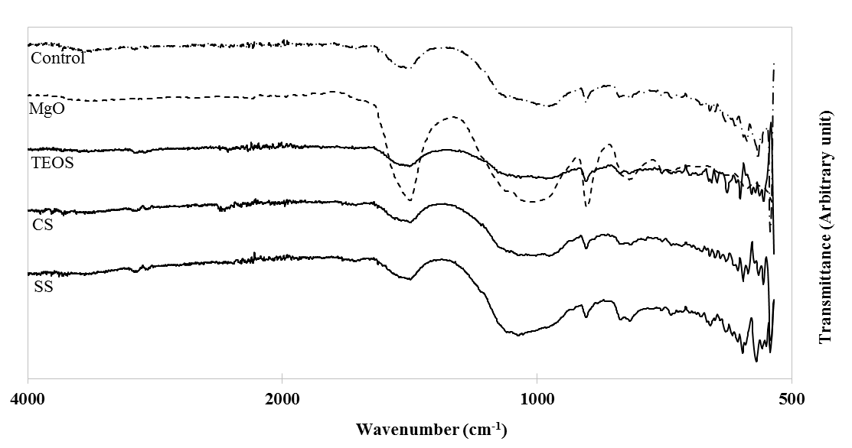
3998 | 97.18 | 98.27 | 99.21 | 104.24 | 3996 | 94.38
3997 | 97.15 | 98.28 | 99.19 | 104.24 | 3994 | 94.39
3996 | 97.13 | 98.28 | 99.17 | 104.23 | 3992 | 94.39
3995 | 97.09 | 98.28 | 99.15 | 104.22 | 3990 | 94.39
3994 | 97.06 | 98.26 | 99.14 | 104.21 | 3988 | 94.4
3993 | 97.02 | 98.23 | 99.14 | 104.19 | 3986 | 94.4
3992 | 97 | 98.21 | 99.16 | 104.18 | 3984 | 94.41
3991 | 96.99 | 98.2 | 99.18 | 104.17 | 3982 | 94.41
3990 | 97 | 98.2 | 99.19 | 104.17 | 3980 | 94.41
3989 | 97.03 | 98.2 | 99.18 | 104.19 | 3978 | 94.41
3988 | 97.06 | 98.21 | 99.15 | 104.22 | 3976 | 94.41
3987 | 97.1 | 98.22 | 99.12 | 104.25 | 3974 | 94.41
3986 | 97.13 | 98.23 | 99.1 | 104.28 | 3972 | 94.4
3985 | 97.15 | 98.24 | 99.11 | 104.3 | 3970 | 94.4
3984 | 97.17 | 98.26 | 99.12 | 104.31 | 3968 | 94.4
3983 | 97.19 | 98.28 | 99.14 | 104.31 | 3966 | 94.4
3982 | 97.2 | 98.3 | 99.15 | 104.31 | 3964 | 94.41
3981 | 97.2 | 98.3 | 99.16 | 104.3 | 3962 | 94.42
3980 | 97.18 | 98.29 | 99.16 | 104.29 | 3960 | 94.43
3979 | 97.16 | 98.28 | 99.15 | 104.28 | 3958 | 94.44
3978 | 97.13 | 98.27 | 99.14 | 104.29 | 3956 | 94.44
3977 | 97.13 | 98.27 | 99.13 | 104.32 | 3954 | 94.45
3976 | 97.15 | 98.27 | 99.13 | 104.35 | 3952 | 94.45
3975 | 97.18 | 98.26 | 99.15 | 104.38 | 3950 | 94.45
3974 | 97.2 | 98.25 | 99.18 | 104.39 | 3948 | 94.44
3973 | 97.2 | 98.23 | 99.21 | 104.38 | 3946 | 94.43
3972 | 97.2 | 98.22 | 99.23 | 104.35 | 3944 | 94.42
3971 | 97.2 | 98.22 | 99.22 | 104.33 | 3942 | 94.41
3970 | 97.19 | 98.22 | 99.19 | 104.3 | 3940 | 94.41
3969 | 97.17 | 98.23 | 99.16 | 104.28 | 3938 | 94.4
3968 | 97.14 | 98.24 | 99.15 | 104.27 | 3936 | 94.4
3967 | 97.12 | 98.24 | 99.15 | 104.27 | 3934 | 94.4
3966 | 97.12 | 98.26 | 99.15 | 104.29 | 3932 | 94.4
3965 | 97.13 | 98.28 | 99.16 | 104.31 | 3930 | 94.4
3964 | 97.16 | 98.3 | 99.15 | 104.34 | 3928 | 94.39
3963 | 97.18 | 98.32 | 99.15 | 104.36 | 3926 | 94.38
3962 | 97.18 | 98.32 | 99.16 | 104.35 | 3924 | 94.37
3961 | 97.16 | 98.31 | 99.19 | 104.31 | 3922 | 94.36
3960 | 97.13 | 98.28 | 99.21 | 104.27 | 3920 | 94.35
3959 | 97.11 | 98.26 | 99.21 | 104.23 | 3918 | 94.35
3958 | 97.11 | 98.24 | 99.19 | 104.23 | 3916 | 94.35
3957 | 97.13 | 98.24 | 99.15 | 104.24 | 3914 | 94.35
3956 | 97.15 | 98.26 | 99.11 | 104.27 | 3912 | 94.36
3955 | 97.17 | 98.28 | 99.1 | 104.29 | 3910 | 94.37
3954 | 97.17 | 98.29 | 99.1 | 104.3 | 3908 | 94.38
3953 | 97.15 | 98.3 | 99.12 | 104.31 | 3906 | 94.39
3952 | 97.13 | 98.31 | 99.13 | 104.33 | 3904 | 94.4
3951 | 97.11 | 98.32 | 99.12 | 104.36 | 3902 | 94.41
3950 | 97.1 | 98.31 | 99.09 | 104.37 | 3900 | 94.42
3949 | 97.09 | 98.29 | 99.07 | 104.35 | 3898 | 94.42
3948 | 97.08 | 98.25 | 99.08 | 104.31 | 3896 | 94.42
3947 | 97.08 | 98.22 | 99.11 | 104.26 | 3894 | 94.42
3946 | 97.08 | 98.19 | 99.16 | 104.22 | 3892 | 94.42
3945 | 97.09 | 98.17 | 99.2 | 104.21 | 3890 | 94.41
3944 | 97.12 | 98.18 | 99.21 | 104.22 | 3888 | 94.41
3943 | 97.15 | 98.2 | 99.2 | 104.24 | 3886 | 94.4
3942 | 97.17 | 98.22 | 99.16 | 104.26 | 3884 | 94.4
3941 | 97.17 | 98.23 | 99.12 | 104.28 | 3882 | 94.4
3940 | 97.15 | 98.24 | 99.1 | 104.29 | 3880 | 94.4
3939 | 97.14 | 98.25 | 99.1 | 104.31 | 3878 | 94.41
3938 | 97.16 | 98.27 | 99.11 | 104.33 | 3876 | 94.42
3937 | 97.19 | 98.28 | 99.13 | 104.34 | 3874 | 94.43
3936 | 97.22 | 98.28 | 99.14 | 104.35 | 3872 | 94.43
3935 | 97.23 | 98.27 | 99.14 | 104.35 | 3870 | 94.43
3934 | 97.21 | 98.25 | 99.14 | 104.33 | 3868 | 94.43
3933 | 97.18 | 98.24 | 99.13 | 104.3 | 3866 | 94.43
3932 | 97.14 | 98.24 | 99.12 | 104.28 | 3864 | 94.43
3931 | 97.11 | 98.24 | 99.11 | 104.27 | 3862 | 94.43
3930 | 97.1 | 98.22 | 99.11 | 104.26 | 3860 | 94.42
3929 | 97.08 | 98.2 | 99.12 | 104.25 | 3858 | 94.41
3928 | 97.08 | 98.17 | 99.15 | 104.24 | 3856 | 94.4
3927 | 97.09 | 98.15 | 99.18 | 104.23 | 3854 | 94.39
3926 | 97.11 | 98.15 | 99.19 | 104.25 | 3852 | 94.38
3925 | 97.14 | 98.16 | 99.19 | 104.28 | 3850 | 94.38
3924 | 97.18 | 98.19 | 99.18 | 104.32 | 3848 | 94.38
3923 | 97.2 | 98.21 | 99.18 | 104.35 | 3846 | 94.38
3922 | 97.2 | 98.21 | 99.19 | 104.36 | 3844 | 94.38
3921 | 97.19 | 98.22 | 99.2 | 104.36 | 3842 | 94.39
3920 | 97.17 | 98.21 | 99.2 | 104.35 | 3840 | 94.39
3919 | 97.16 | 98.21 | 99.2 | 104.32 | 3838 | 94.38
3918 | 97.15 | 98.2 | 99.18 | 104.28 | 3836 | 94.38
3917 | 97.14 | 98.19 | 99.17 | 104.25 | 3834 | 94.37
3916 | 97.14 | 98.2 | 99.17 | 104.23 | 3832 | 94.37
3915 | 97.15 | 98.23 | 99.17 | 104.22 | 3830 | 94.37
3914 | 97.17 | 98.27 | 99.18 | 104.24 | 3828 | 94.38
3913 | 97.19 | 98.3 | 99.18 | 104.26 | 3826 | 94.38
3912 | 97.21 | 98.32 | 99.18 | 104.27 | 3824 | 94.39
3911 | 97.22 | 98.32 | 99.17 | 104.29 | 3822 | 94.39
3910 | 97.22 | 98.31 | 99.16 | 104.3 | 3820 | 94.39
3909 | 97.22 | 98.31 | 99.14 | 104.31 | 3818 | 94.39
3908 | 97.21 | 98.3 | 99.12 | 104.31 | 3816 | 94.39
3907 | 97.18 | 98.28 | 99.1 | 104.28 | 3814 | 94.39
3906 | 97.12 | 98.24 | 99.1 | 104.23 | 3812 | 94.39
3905 | 97.05 | 98.18 | 99.11 | 104.18 | 3810 | 94.4
3904 | 97.02 | 98.14 | 99.11 | 104.17 | 3808 | 94.4
3903 | 97.02 | 98.13 | 99.11 | 104.19 | 3806 | 94.4
3902 | 97.03 | 98.14 | 99.11 | 104.23 | 3804 | 94.4
3901 | 97.04 | 98.16 | 99.12 | 104.25 | 3802 | 94.4
3900 | 97.04 | 98.18 | 99.14 | 104.25 | 3800 | 94.4
3899 | 97.06 | 98.2 | 99.16 | 104.26 | 3798 | 94.4
3898 | 97.09 | 98.22 | 99.17 | 104.27 | 3796 | 94.4
3897 | 97.12 | 98.24 | 99.18 | 104.29 | 3794 | 94.4
3896 | 97.14 | 98.26 | 99.19 | 104.29 | 3792 | 94.4
3895 | 97.15 | 98.27 | 99.2 | 104.29 | 3790 | 94.41
3894 | 97.16 | 98.29 | 99.21 | 104.28 | 3788 | 94.41
3893 | 97.15 | 98.3 | 99.21 | 104.25 | 3786 | 94.41
3892 | 97.14 | 98.29 | 99.2 | 104.24 | 3784 | 94.41
3891 | 97.12 | 98.26 | 99.18 | 104.23 | 3782 | 94.41
3890 | 97.11 | 98.22 | 99.15 | 104.23 | 3780 | 94.41
3889 | 97.11 | 98.17 | 99.11 | 104.23 | 3778 | 94.41
3888 | 97.1 | 98.12 | 99.07 | 104.23 | 3776 | 94.41
3887 | 97.09 | 98.1 | 99.03 | 104.22 | 3774 | 94.41
3886 | 97.09 | 98.09 | 99.03 | 104.21 | 3772 | 94.4
3885 | 97.11 | 98.11 | 99.07 | 104.24 | 3770 | 94.4
3884 | 97.13 | 98.14 | 99.11 | 104.29 | 3768 | 94.4
3883 | 97.16 | 98.17 | 99.14 | 104.36 | 3766 | 94.39
3882 | 97.19 | 98.21 | 99.14 | 104.39 | 3764 | 94.39
3881 | 97.22 | 98.26 | 99.13 | 104.39 | 3762 | 94.38
3880 | 97.22 | 98.28 | 99.12 | 104.36 | 3760 | 94.38
3879 | 97.19 | 98.27 | 99.12 | 104.34 | 3758 | 94.37
3878 | 97.16 | 98.26 | 99.14 | 104.34 | 3756 | 94.37
3877 | 97.13 | 98.23 | 99.15 | 104.34 | 3754 | 94.36
3876 | 97.1 | 98.21 | 99.15 | 104.33 | 3752 | 94.35
3875 | 97.1 | 98.18 | 99.16 | 104.29 | 3750 | 94.34
3874 | 97.11 | 98.15 | 99.2 | 104.25 | 3748 | 94.34
3873 | 97.13 | 98.12 | 99.23 | 104.24 | 3746 | 94.33
3872 | 97.14 | 98.1 | 99.25 | 104.25 | 3744 | 94.33
3871 | 97.14 | 98.07 | 99.26 | 104.27 | 3742 | 94.32
3870 | 97.13 | 98.05 | 99.26 | 104.27 | 3740 | 94.32
3869 | 97.11 | 98.01 | 99.27 | 104.27 | 3738 | 94.31
3868 | 97.08 | 97.96 | 99.28 | 104.26 | 3736 | 94.31
3867 | 97.03 | 97.93 | 99.28 | 104.25 | 3734 | 94.3
3866 | 96.99 | 97.93 | 99.25 | 104.22 | 3732 | 94.3
3865 | 96.99 | 97.96 | 99.2 | 104.17 | 3730 | 94.3
3864 | 97.03 | 98.03 | 99.15 | 104.14 | 3728 | 94.3
3863 | 97.05 | 98.1 | 99.14 | 104.15 | 3726 | 94.3
3862 | 97.06 | 98.16 | 99.16 | 104.19 | 3724 | 94.3
3861 | 97.07 | 98.2 | 99.2 | 104.24 | 3722 | 94.3
3860 | 97.09 | 98.22 | 99.23 | 104.29 | 3720 | 94.3
3859 | 97.13 | 98.24 | 99.24 | 104.34 | 3718 | 94.3
3858 | 97.18 | 98.26 | 99.22 | 104.39 | 3716 | 94.3
3857 | 97.22 | 98.26 | 99.17 | 104.43 | 3714 | 94.3
3856 | 97.24 | 98.25 | 99.13 | 104.44 | 3712 | 94.3
3855 | 97.23 | 98.23 | 99.12 | 104.43 | 3710 | 94.3
3854 | 97.24 | 98.22 | 99.16 | 104.42 | 3708 | 94.31
3853 | 97.27 | 98.21 | 99.19 | 104.42 | 3706 | 94.31
3852 | 97.3 | 98.2 | 99.17 | 104.42 | 3704 | 94.31
3851 | 97.31 | 98.2 | 99.15 | 104.43 | 3702 | 94.31
3850 | 97.3 | 98.21 | 99.14 | 104.43 | 3700 | 94.31
3849 | 97.29 | 98.23 | 99.14 | 104.42 | 3698 | 94.3
3848 | 97.28 | 98.25 | 99.15 | 104.42 | 3696 | 94.29
3847 | 97.28 | 98.25 | 99.15 | 104.43 | 3694 | 94.27
3846 | 97.28 | 98.26 | 99.15 | 104.45 | 3692 | 94.26
3845 | 97.27 | 98.25 | 99.16 | 104.47 | 3690 | 94.24
3844 | 97.25 | 98.23 | 99.17 | 104.45 | 3688 | 94.23
3843 | 97.22 | 98.2 | 99.19 | 104.4 | 3686 | 94.23
3842 | 97.18 | 98.17 | 99.22 | 104.34 | 3684 | 94.24
3841 | 97.15 | 98.13 | 99.26 | 104.28 | 3682 | 94.25
3840 | 97.14 | 98.08 | 99.3 | 104.24 | 3680 | 94.26
3839 | 97.15 | 98.05 | 99.32 | 104.23 | 3678 | 94.27
3838 | 97.19 | 98.07 | 99.31 | 104.26 | 3676 | 94.28
3837 | 97.26 | 98.13 | 99.25 | 104.31 | 3674 | 94.28
3836 | 97.31 | 98.2 | 99.19 | 104.35 | 3672 | 94.29
3835 | 97.34 | 98.24 | 99.16 | 104.38 | 3670 | 94.28
3834 | 97.32 | 98.27 | 99.15 | 104.38 | 3668 | 94.28
3833 | 97.28 | 98.28 | 99.16 | 104.37 | 3666 | 94.29
3832 | 97.23 | 98.28 | 99.17 | 104.36 | 3664 | 94.29
3831 | 97.2 | 98.28 | 99.18 | 104.37 | 3662 | 94.3
3830 | 97.21 | 98.27 | 99.21 | 104.38 | 3660 | 94.3
3829 | 97.23 | 98.26 | 99.23 | 104.38 | 3658 | 94.3
3828 | 97.23 | 98.25 | 99.25 | 104.37 | 3656 | 94.3
3827 | 97.22 | 98.25 | 99.24 | 104.35 | 3654 | 94.29
3826 | 97.2 | 98.24 | 99.21 | 104.31 | 3652 | 94.27
3825 | 97.18 | 98.22 | 99.19 | 104.29 | 3650 | 94.26
3824 | 97.18 | 98.18 | 99.18 | 104.29 | 3648 | 94.25
3823 | 97.19 | 98.15 | 99.19 | 104.3 | 3646 | 94.23
3822 | 97.22 | 98.15 | 99.22 | 104.31 | 3644 | 94.22
3821 | 97.25 | 98.18 | 99.22 | 104.32 | 3642 | 94.22
3820 | 97.26 | 98.2 | 99.21 | 104.34 | 3640 | 94.21
3819 | 97.26 | 98.2 | 99.2 | 104.38 | 3638 | 94.2
3818 | 97.26 | 98.21 | 99.19 | 104.43 | 3636 | 94.2
3817 | 97.28 | 98.23 | 99.19 | 104.45 | 3634 | 94.19
3816 | 97.31 | 98.26 | 99.21 | 104.43 | 3632 | 94.18
3815 | 97.33 | 98.29 | 99.22 | 104.41 | 3630 | 94.17
3814 | 97.34 | 98.33 | 99.22 | 104.4 | 3628 | 94.16
3813 | 97.33 | 98.37 | 99.21 | 104.42 | 3626 | 94.16
3812 | 97.32 | 98.41 | 99.21 | 104.44 | 3624 | 94.16
3811 | 97.32 | 98.41 | 99.22 | 104.46 | 3622 | 94.17
3810 | 97.34 | 98.38 | 99.24 | 104.47 | 3620 | 94.18
3809 | 97.35 | 98.33 | 99.25 | 104.46 | 3618 | 94.18
3808 | 97.33 | 98.28 | 99.24 | 104.44 | 3616 | 94.19
3807 | 97.3 | 98.26 | 99.23 | 104.4 | 3614 | 94.2
3806 | 97.26 | 98.27 | 99.23 | 104.37 | 3612 | 94.21
3805 | 97.2 | 98.27 | 99.25 | 104.38 | 3610 | 94.21
3804 | 97.12 | 98.26 | 99.26 | 104.41 | 3608 | 94.22
3803 | 97.05 | 98.25 | 99.26 | 104.45 | 3606 | 94.22
3802 | 97.05 | 98.26 | 99.25 | 104.47 | 3604 | 94.22
3801 | 97.13 | 98.31 | 99.26 | 104.48 | 3602 | 94.22
3800 | 97.22 | 98.36 | 99.28 | 104.5 | 3600 | 94.21
3799 | 97.28 | 98.4 | 99.31 | 104.5 | 3598 | 94.2
3798 | 97.3 | 98.42 | 99.31 | 104.47 | 3596 | 94.17
3797 | 97.29 | 98.4 | 99.28 | 104.4 | 3594 | 94.14
3796 | 97.27 | 98.38 | 99.23 | 104.33 | 3592 | 94.11
3795 | 97.26 | 98.36 | 99.18 | 104.29 | 3590 | 94.08
3794 | 97.27 | 98.36 | 99.15 | 104.29 | 3588 | 94.04
3793 | 97.29 | 98.37 | 99.14 | 104.29 | 3586 | 94.02
3792 | 97.32 | 98.38 | 99.14 | 104.29 | 3584 | 94
3791 | 97.33 | 98.36 | 99.15 | 104.28 | 3582 | 93.99
3790 | 97.32 | 98.33 | 99.16 | 104.27 | 3580 | 93.98
3789 | 97.31 | 98.31 | 99.17 | 104.28 | 3578 | 93.98
3788 | 97.3 | 98.31 | 99.18 | 104.3 | 3576 | 93.98
3787 | 97.29 | 98.32 | 99.18 | 104.32 | 3574 | 93.98
3786 | 97.29 | 98.35 | 99.18 | 104.34 | 3572 | 93.99
3785 | 97.27 | 98.38 | 99.19 | 104.35 | 3570 | 93.99
3784 | 97.26 | 98.4 | 99.2 | 104.34 | 3568 | 94
3783 | 97.24 | 98.41 | 99.23 | 104.32 | 3566 | 94.02
3782 | 97.24 | 98.41 | 99.25 | 104.29 | 3564 | 94.03
3781 | 97.25 | 98.4 | 99.26 | 104.26 | 3562 | 94.03
3780 | 97.28 | 98.38 | 99.25 | 104.22 | 3560 | 94.03
3779 | 97.3 | 98.38 | 99.23 | 104.2 | 3558 | 94.03
3778 | 97.31 | 98.39 | 99.22 | 104.2 | 3556 | 94.02
3777 | 97.31 | 98.42 | 99.23 | 104.24 | 3554 | 94.01
3776 | 97.29 | 98.44 | 99.25 | 104.28 | 3552 | 94
3775 | 97.28 | 98.45 | 99.28 | 104.3 | 3550 | 93.99
3774 | 97.27 | 98.44 | 99.29 | 104.31 | 3548 | 93.98
3773 | 97.27 | 98.42 | 99.29 | 104.31 | 3546 | 93.96
3772 | 97.29 | 98.4 | 99.27 | 104.3 | 3544 | 93.95
3771 | 97.3 | 98.38 | 99.24 | 104.3 | 3542 | 93.94
3770 | 97.28 | 98.37 | 99.21 | 104.3 | 3540 | 93.93
3769 | 97.25 | 98.35 | 99.19 | 104.3 | 3538 | 93.93
3768 | 97.22 | 98.34 | 99.17 | 104.3 | 3536 | 93.93
3767 | 97.21 | 98.33 | 99.16 | 104.29 | 3534 | 93.93
3766 | 97.22 | 98.34 | 99.16 | 104.28 | 3532 | 93.94
3765 | 97.26 | 98.35 | 99.16 | 104.27 | 3530 | 93.95
3764 | 97.28 | 98.35 | 99.16 | 104.28 | 3528 | 93.96
3763 | 97.29 | 98.34 | 99.16 | 104.28 | 3526 | 93.97
3762 | 97.27 | 98.32 | 99.14 | 104.29 | 3524 | 93.97
3761 | 97.26 | 98.3 | 99.13 | 104.28 | 3522 | 93.97
3760 | 97.25 | 98.28 | 99.13 | 104.25 | 3520 | 93.96
3759 | 97.25 | 98.26 | 99.15 | 104.22 | 3518 | 93.96
3758 | 97.25 | 98.24 | 99.16 | 104.18 | 3516 | 93.96
3757 | 97.26 | 98.21 | 99.16 | 104.15 | 3514 | 93.95
3756 | 97.26 | 98.19 | 99.17 | 104.15 | 3512 | 93.95
3755 | 97.26 | 98.18 | 99.18 | 104.2 | 3510 | 93.95
3754 | 97.24 | 98.17 | 99.18 | 104.31 | 3508 | 93.94
3753 | 97.16 | 98.14 | 99.17 | 104.43 | 3506 | 93.94
3752 | 97.03 | 98.07 | 99.15 | 104.48 | 3504 | 93.93
3751 | 96.92 | 97.98 | 99.14 | 104.43 | 3502 | 93.93
3750 | 96.91 | 97.91 | 99.16 | 104.35 | 3500 | 93.93
3749 | 96.99 | 97.91 | 99.2 | 104.3 | 3498 | 93.93
3748 | 97.11 | 97.99 | 99.25 | 104.32 | 3496 | 93.93
3747 | 97.22 | 98.1 | 99.28 | 104.37 | 3494 | 93.93
3746 | 97.26 | 98.18 | 99.28 | 104.42 | 3492 | 93.94
3745 | 97.19 | 98.18 | 99.25 | 104.39 | 3490 | 93.94
3744 | 97.09 | 98.1 | 99.22 | 104.31 | 3488 | 93.95
3743 | 97.05 | 98.04 | 99.22 | 104.25 | 3486 | 93.96
3742 | 97.06 | 98.03 | 99.22 | 104.24 | 3484 | 93.96
3741 | 97.08 | 98.05 | 99.21 | 104.26 | 3482 | 93.96
3740 | 97.1 | 98.06 | 99.19 | 104.25 | 3480 | 93.95
3739 | 97.11 | 98.04 | 99.16 | 104.22 | 3478 | 93.94
3738 | 97.12 | 98.01 | 99.15 | 104.19 | 3476 | 93.93
3737 | 97.15 | 98 | 99.19 | 104.19 | 3474 | 93.91
3736 | 97.22 | 98.05 | 99.26 | 104.24 | 3472 | 93.9
3735 | 97.28 | 98.12 | 99.31 | 104.34 | 3470 | 93.9
3734 | 97.29 | 98.19 | 99.31 | 104.42 | 3468 | 93.9
3733 | 97.25 | 98.21 | 99.3 | 104.43 | 3466 | 93.9
3732 | 97.21 | 98.2 | 99.31 | 104.4 | 3464 | 93.9
3731 | 97.2 | 98.17 | 99.33 | 104.37 | 3462 | 93.91
3730 | 97.21 | 98.14 | 99.34 | 104.37 | 3460 | 93.91
3729 | 97.21 | 98.12 | 99.32 | 104.39 | 3458 | 93.91
3728 | 97.18 | 98.1 | 99.27 | 104.4 | 3456 | 93.91
3727 | 97.14 | 98.08 | 99.19 | 104.37 | 3454 | 93.92
3726 | 97.13 | 98.07 | 99.12 | 104.31 | 3452 | 93.92
3725 | 97.17 | 98.06 | 99.09 | 104.27 | 3450 | 93.93
3724 | 97.25 | 98.09 | 99.09 | 104.27 | 3448 | 93.94
3723 | 97.34 | 98.16 | 99.13 | 104.29 | 3446 | 93.94
3722 | 97.4 | 98.26 | 99.18 | 104.33 | 3444 | 93.94
3721 | 97.4 | 98.35 | 99.23 | 104.36 | 3442 | 93.94
3720 | 97.38 | 98.42 | 99.26 | 104.4 | 3440 | 93.93
3719 | 97.36 | 98.44 | 99.26 | 104.44 | 3438 | 93.92
3718 | 97.35 | 98.43 | 99.24 | 104.45 | 3436 | 93.9
3717 | 97.36 | 98.39 | 99.21 | 104.44 | 3434 | 93.89
3716 | 97.36 | 98.33 | 99.19 | 104.42 | 3432 | 93.88
3715 | 97.34 | 98.27 | 99.19 | 104.4 | 3430 | 93.87
3714 | 97.29 | 98.2 | 99.21 | 104.37 | 3428 | 93.86
3713 | 97.22 | 98.14 | 99.22 | 104.34 | 3426 | 93.86
3712 | 97.18 | 98.13 | 99.21 | 104.32 | 3424 | 93.87
3711 | 97.2 | 98.16 | 99.17 | 104.32 | 3422 | 93.88
3710 | 97.25 | 98.21 | 99.13 | 104.32 | 3420 | 93.88
3709 | 97.3 | 98.23 | 99.14 | 104.32 | 3418 | 93.89
3708 | 97.33 | 98.24 | 99.16 | 104.31 | 3416 | 93.89
3707 | 97.35 | 98.24 | 99.2 | 104.3 | 3414 | 93.88
3706 | 97.36 | 98.24 | 99.24 | 104.29 | 3412 | 93.88
3705 | 97.35 | 98.24 | 99.26 | 104.28 | 3410 | 93.87
3704 | 97.31 | 98.24 | 99.28 | 104.25 | 3408 | 93.86
3703 | 97.27 | 98.24 | 99.26 | 104.22 | 3406 | 93.86
3702 | 97.25 | 98.26 | 99.22 | 104.22 | 3404 | 93.85
3701 | 97.26 | 98.31 | 99.15 | 104.24 | 3402 | 93.85
3700 | 97.28 | 98.37 | 99.1 | 104.27 | 3400 | 93.85
3699 | 97.32 | 98.41 | 99.07 | 104.29 | 3398 | 93.85
3698 | 97.34 | 98.42 | 99.08 | 104.29 | 3396 | 93.85
3697 | 97.36 | 98.41 | 99.09 | 104.28 | 3394 | 93.85
3696 | 97.35 | 98.36 | 99.11 | 104.27 | 3392 | 93.85
3695 | 97.31 | 98.3 | 99.13 | 104.26 | 3390 | 93.85
3694 | 97.27 | 98.24 | 99.15 | 104.25 | 3388 | 93.85
3693 | 97.25 | 98.21 | 99.18 | 104.24 | 3386 | 93.86
3692 | 97.28 | 98.2 | 99.21 | 104.26 | 3384 | 93.87
3691 | 97.31 | 98.23 | 99.24 | 104.29 | 3382 | 93.88
3690 | 97.28 | 98.23 | 99.26 | 104.3 | 3380 | 93.88
3689 | 97.2 | 98.22 | 99.24 | 104.27 | 3378 | 93.89
3688 | 97.14 | 98.2 | 99.2 | 104.25 | 3376 | 93.89
3687 | 97.13 | 98.22 | 99.17 | 104.25 | 3374 | 93.89
3686 | 97.17 | 98.27 | 99.16 | 104.28 | 3372 | 93.89
3685 | 97.21 | 98.32 | 99.16 | 104.31 | 3370 | 93.89
3684 | 97.25 | 98.36 | 99.16 | 104.33 | 3368 | 93.88
3683 | 97.26 | 98.37 | 99.17 | 104.33 | 3366 | 93.87
3682 | 97.26 | 98.36 | 99.17 | 104.34 | 3364 | 93.86
3681 | 97.26 | 98.34 | 99.18 | 104.33 | 3362 | 93.85
3680 | 97.26 | 98.3 | 99.18 | 104.33 | 3360 | 93.84
3679 | 97.28 | 98.27 | 99.17 | 104.33 | 3358 | 93.84
3678 | 97.29 | 98.25 | 99.16 | 104.35 | 3356 | 93.83
3677 | 97.25 | 98.26 | 99.15 | 104.38 | 3354 | 93.83
3676 | 97.17 | 98.26 | 99.14 | 104.39 | 3352 | 93.83
3675 | 97.07 | 98.22 | 99.12 | 104.34 | 3350 | 93.83
3674 | 96.98 | 98.16 | 99.12 | 104.27 | 3348 | 93.83
3673 | 96.91 | 98.1 | 99.14 | 104.2 | 3346 | 93.84
3672 | 96.87 | 98.09 | 99.17 | 104.14 | 3344 | 93.85
3671 | 96.91 | 98.13 | 99.18 | 104.09 | 3342 | 93.86
3670 | 97.03 | 98.2 | 99.18 | 104.09 | 3340 | 93.87
3669 | 97.12 | 98.24 | 99.15 | 104.13 | 3338 | 93.88
3668 | 97.15 | 98.23 | 99.11 | 104.17 | 3336 | 93.89
3667 | 97.13 | 98.2 | 99.08 | 104.19 | 3334 | 93.89
3666 | 97.12 | 98.18 | 99.07 | 104.2 | 3332 | 93.89
3665 | 97.12 | 98.17 | 99.05 | 104.19 | 3330 | 93.89
3664 | 97.15 | 98.17 | 99.04 | 104.17 | 3328 | 93.88
3663 | 97.19 | 98.18 | 99.04 | 104.16 | 3326 | 93.87
3662 | 97.22 | 98.18 | 99.05 | 104.17 | 3324 | 93.87
3661 | 97.24 | 98.19 | 99.08 | 104.2 | 3322 | 93.87
3660 | 97.24 | 98.2 | 99.11 | 104.24 | 3320 | 93.87
3659 | 97.21 | 98.2 | 99.14 | 104.27 | 3318 | 93.86
3658 | 97.16 | 98.19 | 99.18 | 104.27 | 3316 | 93.86
3657 | 97.12 | 98.18 | 99.2 | 104.24 | 3314 | 93.85
3656 | 97.11 | 98.16 | 99.21 | 104.2 | 3312 | 93.84
3655 | 97.13 | 98.15 | 99.19 | 104.19 | 3310 | 93.83
3654 | 97.17 | 98.16 | 99.16 | 104.21 | 3308 | 93.82
3653 | 97.2 | 98.17 | 99.12 | 104.26 | 3306 | 93.82
3652 | 97.23 | 98.16 | 99.07 | 104.3 | 3304 | 93.82
3651 | 97.24 | 98.13 | 99.03 | 104.31 | 3302 | 93.82
3650 | 97.25 | 98.08 | 98.99 | 104.23 | 3300 | 93.83
3649 | 97.26 | 98.05 | 98.96 | 104.1 | 3298 | 93.84
3648 | 97.25 | 98.04 | 98.94 | 104 | 3296 | 93.85
3647 | 97.19 | 98.02 | 98.93 | 103.93 | 3294 | 93.85
3646 | 97.11 | 97.99 | 98.93 | 103.86 | 3292 | 93.85
3645 | 97.03 | 97.96 | 98.94 | 103.8 | 3290 | 93.85
3644 | 96.97 | 97.94 | 98.96 | 103.74 | 3288 | 93.85
3643 | 96.94 | 97.95 | 98.98 | 103.7 | 3286 | 93.84
3642 | 96.93 | 97.97 | 99 | 103.68 | 3284 | 93.84
3641 | 96.94 | 97.99 | 99 | 103.7 | 3282 | 93.85
3640 | 96.95 | 98.01 | 98.99 | 103.73 | 3280 | 93.85
3639 | 96.96 | 98.01 | 98.97 | 103.76 | 3278 | 93.86
3638 | 96.97 | 98.01 | 98.97 | 103.78 | 3276 | 93.86
3637 | 96.99 | 98.02 | 98.98 | 103.81 | 3274 | 93.87
3636 | 97.02 | 98.03 | 99.01 | 103.86 | 3272 | 93.87
3635 | 97.04 | 98.02 | 99.03 | 103.9 | 3270 | 93.88
3634 | 97.05 | 98 | 99.04 | 103.93 | 3268 | 93.88
3633 | 97.04 | 97.95 | 99.02 | 103.95 | 3266 | 93.88
3632 | 97 | 97.88 | 98.97 | 103.98 | 3264 | 93.89
3631 | 96.94 | 97.81 | 98.94 | 104.01 | 3262 | 93.89
3630 | 96.9 | 97.77 | 98.97 | 104.03 | 3260 | 93.89
3629 | 96.95 | 97.82 | 99.04 | 104.03 | 3258 | 93.9
3628 | 97.03 | 97.9 | 99.09 | 104.02 | 3256 | 93.9
3627 | 97.09 | 97.96 | 99.11 | 104.03 | 3254 | 93.9
3626 | 97.1 | 98 | 99.1 | 104.05 | 3252 | 93.91
3625 | 97.08 | 98.02 | 99.08 | 104.06 | 3250 | 93.91
3624 | 97.04 | 98.02 | 99.07 | 104.06 | 3248 | 93.92
3623 | 97.03 | 98.01 | 99.08 | 104.06 | 3246 | 93.92
3622 | 97.04 | 98.01 | 99.11 | 104.06 | 3244 | 93.93
3621 | 97.07 | 98.01 | 99.14 | 104.05 | 3242 | 93.94
3620 | 97.12 | 98.05 | 99.16 | 104.02 | 3240 | 93.95
3619 | 97.17 | 98.12 | 99.18 | 103.99 | 3238 | 93.95
3618 | 97.21 | 98.19 | 99.19 | 103.97 | 3236 | 93.94
3617 | 97.23 | 98.21 | 99.19 | 103.96 | 3234 | 93.93
3616 | 97.22 | 98.17 | 99.17 | 103.95 | 3232 | 93.92
3615 | 97.2 | 98.08 | 99.14 | 103.97 | 3230 | 93.9
3614 | 97.18 | 97.99 | 99.11 | 104 | 3228 | 93.89
3613 | 97.18 | 97.93 | 99.08 | 104.03 | 3226 | 93.88
3612 | 97.16 | 97.93 | 99.06 | 104.05 | 3224 | 93.88
3611 | 97.12 | 97.94 | 99.05 | 104.04 | 3222 | 93.88
3610 | 97.05 | 97.94 | 99.06 | 104.01 | 3220 | 93.88
3609 | 97.01 | 97.94 | 99.06 | 103.97 | 3218 | 93.89
3608 | 97.03 | 97.95 | 99.07 | 103.97 | 3216 | 93.9
3607 | 97.09 | 97.99 | 99.07 | 104 | 3214 | 93.91
3606 | 97.13 | 98.04 | 99.06 | 104.04 | 3212 | 93.91
3605 | 97.14 | 98.08 | 99.06 | 104.06 | 3210 | 93.92
3604 | 97.12 | 98.09 | 99.08 | 104.05 | 3208 | 93.92
3603 | 97.08 | 98.07 | 99.11 | 104.03 | 3206 | 93.93
3602 | 97.03 | 98.05 | 99.14 | 103.99 | 3204 | 93.93
3601 | 97 | 98.06 | 99.15 | 103.97 | 3202 | 93.93
3600 | 96.98 | 98.09 | 99.13 | 103.96 | 3200 | 93.94
3599 | 96.99 | 98.12 | 99.11 | 103.95 | 3198 | 93.95
3598 | 97.03 | 98.13 | 99.1 | 103.95 | 3196 | 93.96
3597 | 97.09 | 98.12 | 99.1 | 103.94 | 3194 | 93.97
3596 | 97.13 | 98.1 | 99.11 | 103.93 | 3192 | 93.97
3595 | 97.15 | 98.09 | 99.09 | 103.92 | 3190 | 93.97
3594 | 97.12 | 98.08 | 99.08 | 103.92 | 3188 | 93.97
3593 | 97.06 | 98.08 | 99.07 | 103.93 | 3186 | 93.97
3592 | 97.01 | 98.06 | 99.08 | 103.95 | 3184 | 93.97
3591 | 96.96 | 98.03 | 99.1 | 103.96 | 3182 | 93.96
3590 | 96.95 | 98 | 99.11 | 103.97 | 3180 | 93.96
3589 | 96.98 | 97.99 | 99.12 | 103.98 | 3178 | 93.96
3588 | 97.07 | 98.03 | 99.12 | 104.01 | 3176 | 93.96
3587 | 97.17 | 98.08 | 99.11 | 104.06 | 3174 | 93.96
3586 | 97.24 | 98.12 | 99.11 | 104.09 | 3172 | 93.96
3585 | 97.26 | 98.12 | 99.12 | 104.1 | 3170 | 93.95
3584 | 97.26 | 98.11 | 99.12 | 104.08 | 3168 | 93.95
3583 | 97.24 | 98.1 | 99.12 | 104.06 | 3166 | 93.95
3582 | 97.22 | 98.08 | 99.11 | 104.02 | 3164 | 93.95
3581 | 97.18 | 98.08 | 99.1 | 103.97 | 3162 | 93.95
3580 | 97.13 | 98.07 | 99.1 | 103.92 | 3160 | 93.95
3579 | 97.09 | 98.08 | 99.11 | 103.89 | 3158 | 93.96
3578 | 97.07 | 98.11 | 99.13 | 103.9 | 3156 | 93.96
3577 | 97.06 | 98.14 | 99.14 | 103.93 | 3154 | 93.96
3576 | 97.07 | 98.16 | 99.15 | 103.95 | 3152 | 93.96
3575 | 97.07 | 98.16 | 99.14 | 103.97 | 3150 | 93.96
3574 | 97.08 | 98.15 | 99.13 | 103.98 | 3148 | 93.96
3573 | 97.09 | 98.13 | 99.11 | 104 | 3146 | 93.96
3572 | 97.1 | 98.09 | 99.08 | 104.03 | 3144 | 93.96
3571 | 97.12 | 98.06 | 99.05 | 104.04 | 3142 | 93.97
3570 | 97.12 | 98.03 | 99.02 | 104.03 | 3140 | 93.97
3569 | 97.1 | 98.02 | 99.02 | 104 | 3138 | 93.97
3568 | 97.08 | 98.04 | 99.05 | 103.95 | 3136 | 93.97
3567 | 97.08 | 98.08 | 99.11 | 103.93 | 3134 | 93.96
3566 | 97.1 | 98.11 | 99.15 | 103.94 | 3132 | 93.95
3565 | 97.12 | 98.12 | 99.16 | 103.97 | 3130 | 93.95
3564 | 97.13 | 98.11 | 99.14 | 103.98 | 3128 | 93.94
3563 | 97.13 | 98.1 | 99.1 | 103.99 | 3126 | 93.93
3562 | 97.15 | 98.09 | 99.06 | 103.99 | 3124 | 93.92
3561 | 97.18 | 98.09 | 99.04 | 103.99 | 3122 | 93.92
3560 | 97.2 | 98.11 | 99.04 | 103.98 | 3120 | 93.92
3559 | 97.23 | 98.15 | 99.07 | 103.98 | 3118 | 93.92
3558 | 97.24 | 98.18 | 99.1 | 103.98 | 3116 | 93.93
3557 | 97.24 | 98.2 | 99.12 | 103.98 | 3114 | 93.94
3556 | 97.24 | 98.2 | 99.11 | 103.97 | 3112 | 93.96
3555 | 97.23 | 98.19 | 99.09 | 103.96 | 3110 | 93.97
3554 | 97.23 | 98.18 | 99.06 | 103.95 | 3108 | 93.98
3553 | 97.25 | 98.19 | 99.06 | 103.96 | 3106 | 93.98
3552 | 97.26 | 98.21 | 99.07 | 103.97 | 3104 | 93.99
3551 | 97.25 | 98.22 | 99.1 | 103.98 | 3102 | 93.99
3550 | 97.21 | 98.21 | 99.11 | 103.97 | 3100 | 93.99
3549 | 97.16 | 98.19 | 99.1 | 103.95 | 3098 | 94
3548 | 97.13 | 98.19 | 99.07 | 103.93 | 3096 | 94
3547 | 97.13 | 98.19 | 99.03 | 103.91 | 3094 | 94
3546 | 97.15 | 98.19 | 99 | 103.9 | 3092 | 94
3545 | 97.18 | 98.18 | 98.99 | 103.9 | 3090 | 94
3544 | 97.19 | 98.18 | 99.01 | 103.92 | 3088 | 94
3543 | 97.19 | 98.2 | 99.05 | 103.93 | 3086 | 94
3542 | 97.18 | 98.21 | 99.09 | 103.93 | 3084 | 94
3541 | 97.15 | 98.2 | 99.12 | 103.91 | 3082 | 94
3540 | 97.12 | 98.19 | 99.13 | 103.88 | 3080 | 94
3539 | 97.1 | 98.19 | 99.12 | 103.86 | 3078 | 94
3538 | 97.1 | 98.19 | 99.11 | 103.85 | 3076 | 94
3537 | 97.12 | 98.18 | 99.09 | 103.85 | 3074 | 93.99
3536 | 97.13 | 98.18 | 99.09 | 103.83 | 3072 | 93.99
3535 | 97.14 | 98.16 | 99.08 | 103.82 | 3070 | 93.99
3534 | 97.14 | 98.15 | 99.08 | 103.83 | 3068 | 93.99
3533 | 97.14 | 98.16 | 99.08 | 103.85 | 3066 | 93.99
3532 | 97.13 | 98.17 | 99.08 | 103.86 | 3064 | 93.99
3531 | 97.11 | 98.17 | 99.07 | 103.86 | 3062 | 94
3530 | 97.11 | 98.16 | 99.07 | 103.86 | 3060 | 94
3529 | 97.12 | 98.14 | 99.06 | 103.87 | 3058 | 94.01
3528 | 97.15 | 98.13 | 99.05 | 103.89 | 3056 | 94.01
3527 | 97.16 | 98.11 | 99.03 | 103.91 | 3054 | 94.02
3526 | 97.15 | 98.1 | 99.03 | 103.91 | 3052 | 94.02
3525 | 97.15 | 98.1 | 99.04 | 103.91 | 3050 | 94.02
3524 | 97.17 | 98.14 | 99.06 | 103.93 | 3048 | 94.02
3523 | 97.2 | 98.21 | 99.09 | 103.96 | 3046 | 94.02
3522 | 97.23 | 98.26 | 99.12 | 103.98 | 3044 | 94.02
3521 | 97.23 | 98.26 | 99.13 | 103.97 | 3042 | 94.02
3520 | 97.21 | 98.23 | 99.12 | 103.93 | 3040 | 94.02
3519 | 97.19 | 98.19 | 99.1 | 103.88 | 3038 | 94.03
3518 | 97.18 | 98.15 | 99.08 | 103.83 | 3036 | 94.03
3517 | 97.18 | 98.13 | 99.06 | 103.81 | 3034 | 94.04
3516 | 97.17 | 98.12 | 99.05 | 103.82 | 3032 | 94.05
3515 | 97.16 | 98.12 | 99.04 | 103.83 | 3030 | 94.05
3514 | 97.16 | 98.14 | 99.03 | 103.84 | 3028 | 94.06
3513 | 97.18 | 98.15 | 99.03 | 103.84 | 3026 | 94.06
3512 | 97.2 | 98.15 | 99.04 | 103.83 | 3024 | 94.06
3511 | 97.23 | 98.13 | 99.05 | 103.84 | 3022 | 94.06
3510 | 97.24 | 98.08 | 99.09 | 103.84 | 3020 | 94.06
3509 | 97.23 | 98.04 | 99.12 | 103.83 | 3018 | 94.06
3508 | 97.19 | 97.99 | 99.14 | 103.81 | 3016 | 94.06
3507 | 97.15 | 97.95 | 99.13 | 103.79 | 3014 | 94.06
3506 | 97.13 | 97.92 | 99.09 | 103.79 | 3012 | 94.06
3505 | 97.14 | 97.93 | 99.07 | 103.83 | 3010 | 94.06
3504 | 97.19 | 97.97 | 99.07 | 103.88 | 3008 | 94.06
3503 | 97.23 | 98.03 | 99.08 | 103.93 | 3006 | 94.06
3502 | 97.24 | 98.07 | 99.1 | 103.94 | 3004 | 94.07
3501 | 97.22 | 98.09 | 99.1 | 103.93 | 3002 | 94.07
3500 | 97.2 | 98.09 | 99.08 | 103.9 | 3000 | 94.08
3499 | 97.17 | 98.09 | 99.07 | 103.89 | 2998 | 94.09
3498 | 97.16 | 98.09 | 99.07 | 103.88 | 2996 | 94.09
3497 | 97.14 | 98.1 | 99.08 | 103.88 | 2994 | 94.1
3496 | 97.13 | 98.1 | 99.08 | 103.86 | 2992 | 94.1
3495 | 97.12 | 98.09 | 99.06 | 103.83 | 2990 | 94.11
3494 | 97.13 | 98.08 | 99.04 | 103.81 | 2988 | 94.1
3493 | 97.15 | 98.07 | 99.02 | 103.82 | 2986 | 94.1
3492 | 97.16 | 98.06 | 99 | 103.84 | 2984 | 94.09
3491 | 97.16 | 98.05 | 98.99 | 103.84 | 2982 | 94.08
3490 | 97.15 | 98.03 | 98.99 | 103.8 | 2980 | 94.07
3489 | 97.13 | 98.03 | 99 | 103.75 | 2978 | 94.06
3488 | 97.12 | 98.04 | 99 | 103.73 | 2976 | 94.05
3487 | 97.13 | 98.06 | 99 | 103.75 | 2974 | 94.04
3486 | 97.13 | 98.07 | 98.99 | 103.8 | 2972 | 94.03
3485 | 97.13 | 98.06 | 98.98 | 103.83 | 2970 | 94.03
3484 | 97.12 | 98.05 | 98.98 | 103.84 | 2968 | 94.03
3483 | 97.12 | 98.06 | 98.98 | 103.83 | 2966 | 94.03
3482 | 97.14 | 98.09 | 98.97 | 103.82 | 2964 | 94.03
3481 | 97.16 | 98.12 | 98.95 | 103.81 | 2962 | 94.03
3480 | 97.17 | 98.13 | 98.92 | 103.8 | 2960 | 94.03
3479 | 97.15 | 98.12 | 98.91 | 103.78 | 2958 | 94.04
3478 | 97.13 | 98.12 | 98.91 | 103.78 | 2956 | 94.04
3477 | 97.11 | 98.13 | 98.93 | 103.79 | 2954 | 94.05
3476 | 97.11 | 98.15 | 98.98 | 103.8 | 2952 | 94.05
3475 | 97.13 | 98.15 | 99.02 | 103.81 | 2950 | 94.06
3474 | 97.15 | 98.13 | 99.05 | 103.8 | 2948 | 94.06
3473 | 97.17 | 98.1 | 99.04 | 103.78 | 2946 | 94.07
3472 | 97.19 | 98.07 | 99.01 | 103.77 | 2944 | 94.07
3471 | 97.21 | 98.06 | 98.96 | 103.76 | 2942 | 94.06
3470 | 97.21 | 98.05 | 98.91 | 103.77 | 2940 | 94.06
3469 | 97.2 | 98.05 | 98.9 | 103.8 | 2938 | 94.05
3468 | 97.17 | 98.04 | 98.92 | 103.81 | 2936 | 94.04
3467 | 97.13 | 98.04 | 98.96 | 103.79 | 2934 | 94.04
3466 | 97.1 | 98.04 | 98.99 | 103.75 | 2932 | 94.03
3465 | 97.08 | 98.05 | 98.99 | 103.72 | 2930 | 94.02
3464 | 97.07 | 98.06 | 98.97 | 103.71 | 2928 | 94.01
3463 | 97.08 | 98.09 | 98.96 | 103.72 | 2926 | 94.01
3462 | 97.11 | 98.11 | 98.95 | 103.73 | 2924 | 94.01
3461 | 97.13 | 98.13 | 98.97 | 103.75 | 2922 | 94.01
3460 | 97.15 | 98.13 | 98.99 | 103.76 | 2920 | 94.01
3459 | 97.15 | 98.12 | 99 | 103.78 | 2918 | 94.02
3458 | 97.13 | 98.1 | 99.01 | 103.78 | 2916 | 94.02
3457 | 97.11 | 98.08 | 99 | 103.76 | 2914 | 94.03
3456 | 97.1 | 98.08 | 98.99 | 103.73 | 2912 | 94.04
3455 | 97.1 | 98.08 | 98.97 | 103.7 | 2910 | 94.05
3454 | 97.1 | 98.08 | 98.97 | 103.69 | 2908 | 94.06
3453 | 97.1 | 98.07 | 98.98 | 103.69 | 2906 | 94.07
3452 | 97.1 | 98.06 | 98.99 | 103.7 | 2904 | 94.07
3451 | 97.09 | 98.05 | 99 | 103.72 | 2902 | 94.08
3450 | 97.1 | 98.06 | 99 | 103.73 | 2900 | 94.08
3449 | 97.11 | 98.06 | 99.01 | 103.74 | 2898 | 94.08
3448 | 97.14 | 98.08 | 99.01 | 103.74 | 2896 | 94.08
3447 | 97.15 | 98.08 | 99 | 103.75 | 2894 | 94.08
3446 | 97.14 | 98.09 | 99 | 103.76 | 2892 | 94.08
3445 | 97.12 | 98.09 | 99 | 103.75 | 2890 | 94.08
3444 | 97.1 | 98.1 | 99 | 103.73 | 2888 | 94.08
3443 | 97.1 | 98.11 | 99 | 103.71 | 2886 | 94.09
3442 | 97.12 | 98.11 | 98.99 | 103.7 | 2884 | 94.08
3441 | 97.13 | 98.09 | 98.98 | 103.7 | 2882 | 94.08
3440 | 97.13 | 98.07 | 98.97 | 103.71 | 2880 | 94.07
3439 | 97.13 | 98.07 | 98.98 | 103.72 | 2878 | 94.07
3438 | 97.13 | 98.08 | 98.99 | 103.74 | 2876 | 94.06
3437 | 97.14 | 98.1 | 99.01 | 103.77 | 2874 | 94.06
3436 | 97.15 | 98.11 | 99.04 | 103.79 | 2872 | 94.05
3435 | 97.15 | 98.1 | 99.07 | 103.79 | 2870 | 94.05
3434 | 97.13 | 98.09 | 99.09 | 103.77 | 2868 | 94.06
3433 | 97.11 | 98.07 | 99.09 | 103.74 | 2866 | 94.06
3432 | 97.08 | 98.06 | 99.08 | 103.71 | 2864 | 94.06
3431 | 97.05 | 98.04 | 99.05 | 103.68 | 2862 | 94.06
3430 | 97.02 | 98.02 | 99.03 | 103.66 | 2860 | 94.06
3429 | 97.01 | 97.99 | 99 | 103.64 | 2858 | 94.05
3428 | 97.02 | 97.97 | 98.99 | 103.63 | 2856 | 94.05
3427 | 97.03 | 97.95 | 98.97 | 103.63 | 2854 | 94.04
3426 | 97.04 | 97.94 | 98.96 | 103.62 | 2852 | 94.04
3425 | 97.02 | 97.93 | 98.97 | 103.61 | 2850 | 94.04
3424 | 97.01 | 97.92 | 98.98 | 103.61 | 2848 | 94.04
3423 | 97.02 | 97.94 | 99 | 103.62 | 2846 | 94.05
3422 | 97.06 | 97.99 | 99.01 | 103.66 | 2844 | 94.06
3421 | 97.12 | 98.06 | 99.01 | 103.7 | 2842 | 94.07
3420 | 97.17 | 98.11 | 99.01 | 103.73 | 2840 | 94.08
3419 | 97.2 | 98.14 | 99 | 103.75 | 2838 | 94.08
3418 | 97.2 | 98.13 | 98.99 | 103.76 | 2836 | 94.09
3417 | 97.2 | 98.1 | 98.97 | 103.77 | 2834 | 94.09
3416 | 97.18 | 98.08 | 98.95 | 103.77 | 2832 | 94.1
3415 | 97.18 | 98.08 | 98.94 | 103.74 | 2830 | 94.1
3414 | 97.18 | 98.09 | 98.95 | 103.71 | 2828 | 94.1
3413 | 97.18 | 98.1 | 98.98 | 103.69 | 2826 | 94.11
3412 | 97.17 | 98.1 | 99.02 | 103.67 | 2824 | 94.11
3411 | 97.14 | 98.08 | 99.05 | 103.66 | 2822 | 94.12
3410 | 97.11 | 98.05 | 99.07 | 103.66 | 2820 | 94.12
3409 | 97.08 | 98.04 | 99.07 | 103.68 | 2818 | 94.12
3408 | 97.07 | 98.04 | 99.08 | 103.7 | 2816 | 94.13
3407 | 97.09 | 98.05 | 99.07 | 103.72 | 2814 | 94.13
3406 | 97.12 | 98.04 | 99.06 | 103.72 | 2812 | 94.13
3405 | 97.15 | 98.03 | 99.03 | 103.71 | 2810 | 94.13
3404 | 97.17 | 98.01 | 99.01 | 103.7 | 2808 | 94.13
3403 | 97.16 | 98 | 98.99 | 103.7 | 2806 | 94.13
3402 | 97.13 | 97.98 | 98.98 | 103.7 | 2804 | 94.13
3401 | 97.11 | 97.97 | 98.97 | 103.69 | 2802 | 94.13
3400 | 97.1 | 97.97 | 98.95 | 103.67 | 2800 | 94.14
3399 | 97.11 | 97.99 | 98.95 | 103.64 | 2798 | 94.15
3398 | 97.11 | 98.01 | 98.95 | 103.63 | 2796 | 94.15
3397 | 97.11 | 98.02 | 98.96 | 103.63 | 2794 | 94.16
3396 | 97.12 | 98.03 | 98.95 | 103.65 | 2792 | 94.16
3395 | 97.14 | 98.03 | 98.94 | 103.67 | 2790 | 94.16
3394 | 97.16 | 98.06 | 98.92 | 103.69 | 2788 | 94.16
3393 | 97.17 | 98.09 | 98.91 | 103.71 | 2786 | 94.15
3392 | 97.16 | 98.12 | 98.9 | 103.73 | 2784 | 94.15
3391 | 97.14 | 98.12 | 98.92 | 103.74 | 2782 | 94.15
3390 | 97.11 | 98.09 | 98.94 | 103.73 | 2780 | 94.15
3389 | 97.08 | 98.05 | 98.97 | 103.7 | 2778 | 94.15
3388 | 97.08 | 98.02 | 98.99 | 103.67 | 2776 | 94.15
3387 | 97.09 | 98.01 | 99 | 103.66 | 2774 | 94.16
3386 | 97.11 | 98.01 | 99 | 103.66 | 2772 | 94.17
3385 | 97.13 | 98.02 | 98.99 | 103.68 | 2770 | 94.17
3384 | 97.14 | 98.01 | 98.98 | 103.7 | 2768 | 94.18
3383 | 97.14 | 98 | 98.96 | 103.69 | 2766 | 94.18
3382 | 97.15 | 98.01 | 98.95 | 103.67 | 2764 | 94.19
3381 | 97.16 | 98.05 | 98.95 | 103.66 | 2762 | 94.19
3380 | 97.18 | 98.09 | 98.97 | 103.66 | 2760 | 94.18
3379 | 97.18 | 98.12 | 98.99 | 103.69 | 2758 | 94.18
3378 | 97.17 | 98.11 | 99 | 103.72 | 2756 | 94.17
3377 | 97.14 | 98.09 | 98.99 | 103.73 | 2754 | 94.16
3376 | 97.13 | 98.06 | 98.97 | 103.74 | 2752 | 94.16
...

Fig. 17
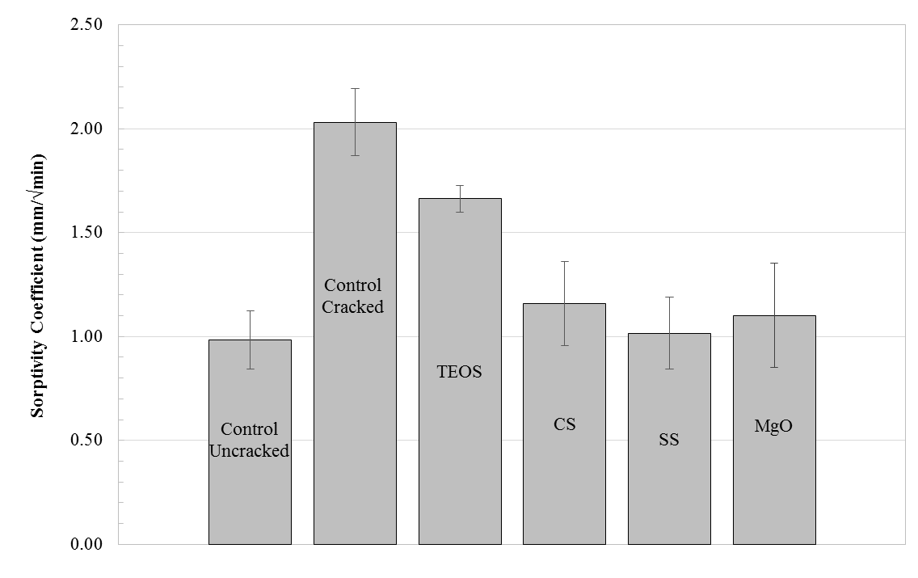
Control Cracked | TEOS | CS | SS | MgO
2.03 | 1.6633 | 1.159 | 1.0151 | 1.1016

Fig. 18
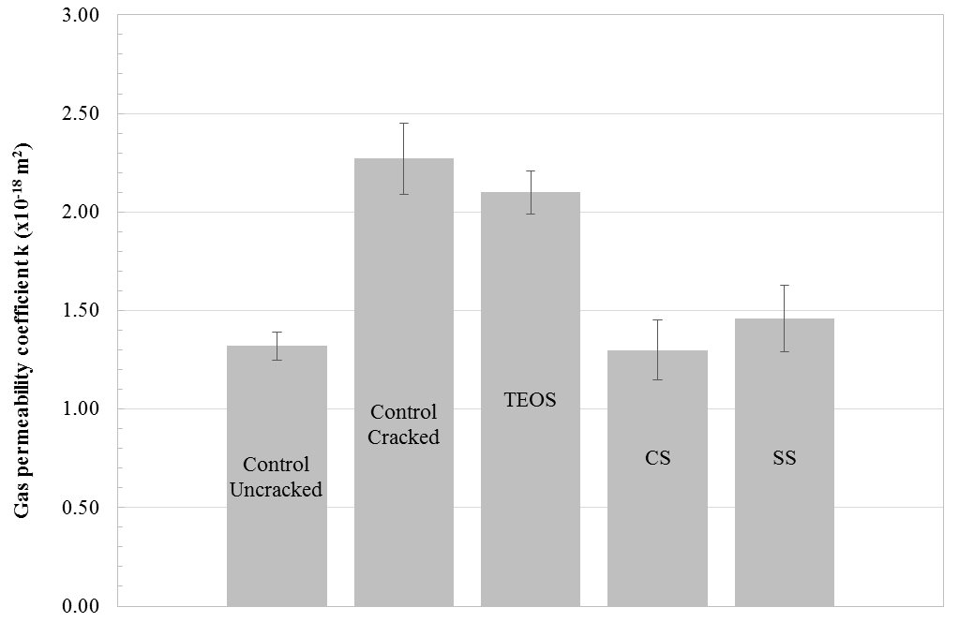
Control Cracked | TEOS | CS | SS
2.27 | 2.1 | 1.3 | 1.46

Fig. 19
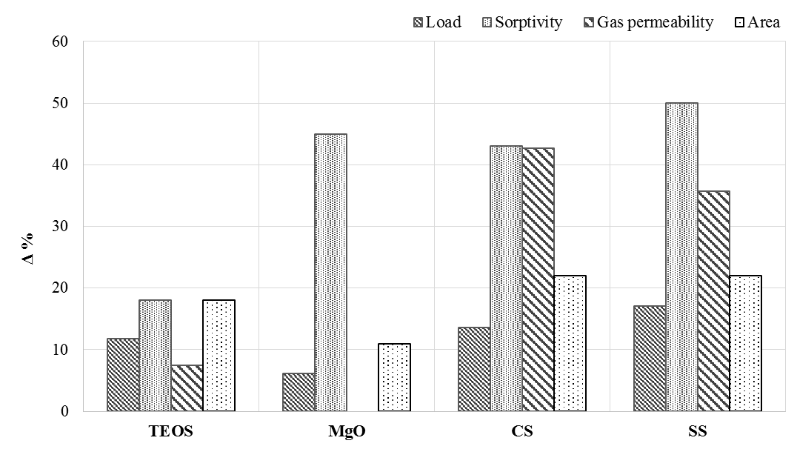
CS | SS
43.00 | 50.00
13.63 | 17.13
42.73 | 35.68
22.00 | 22.00

Fig. 20
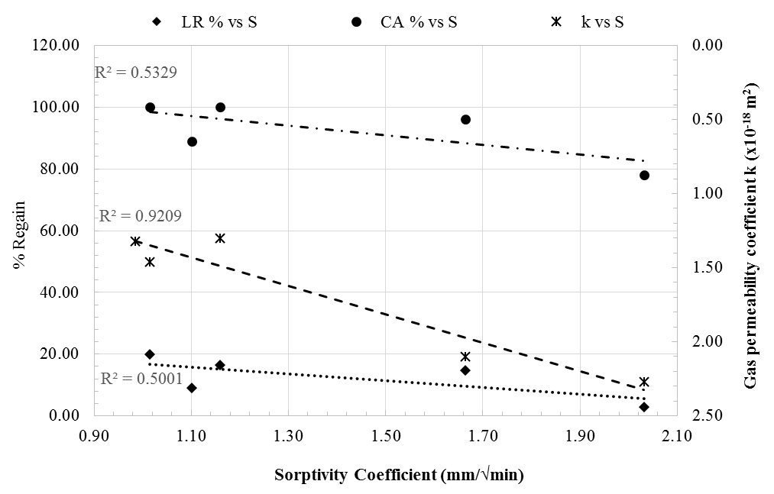
Control Cracked | TEOS | CS | SS | MgO
2.27 | 2.1 | 1.3 | 1.46
2.03 | 1.6633 | 1.159 | 1.0151 | 1.1016
2.87 | 14.62 | 16.5 | 20 | 9
78.00 | 96 | 100 | 100 | 89

